LC01
2. Strut-Tie Model Design (Load Combination-1)
 | 1) Construction of Strut-Tie Model
 |  | (1) ESO (Evolutionary Structural Optimization)
 |  |  | ⒜ STAGE-01 (Initial shape)
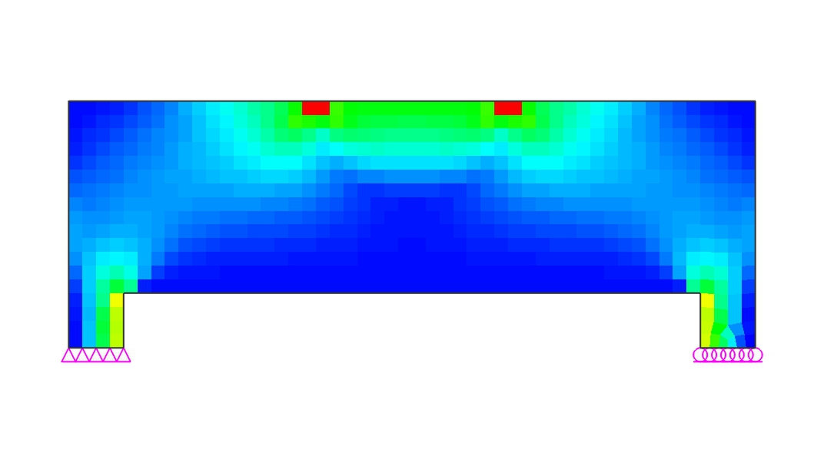

 |  |  | ⒝ STAGE-02 (Elimination ratio = 9%)
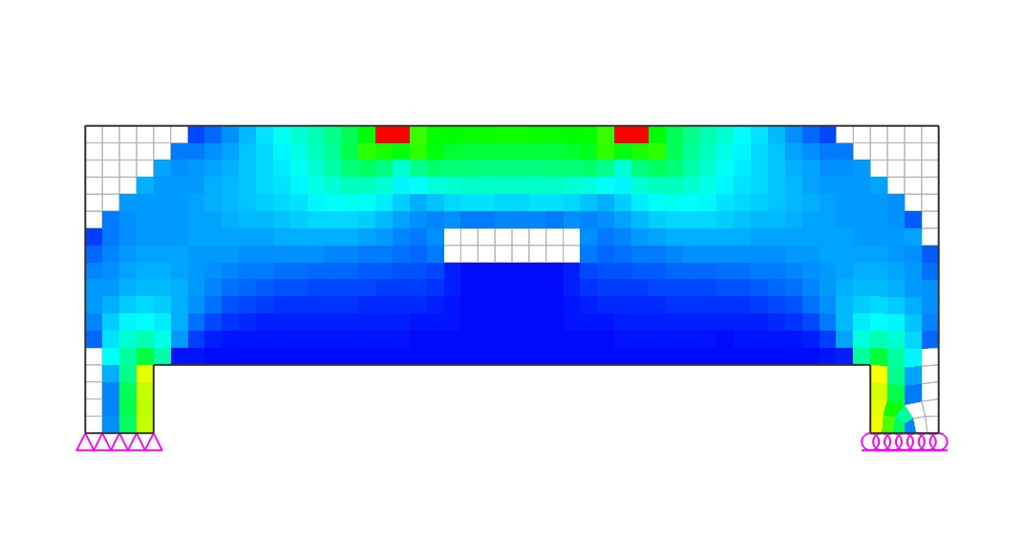

 |  |  | ⒞ STAGE-03 (Elimination ratio = 18%)
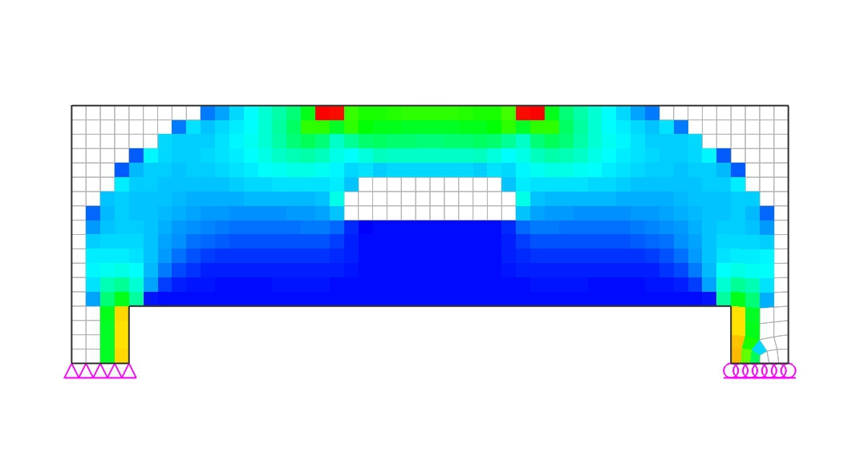

 |  |  | ⒟ STAGE-04 (Elimination ratio = 25%)
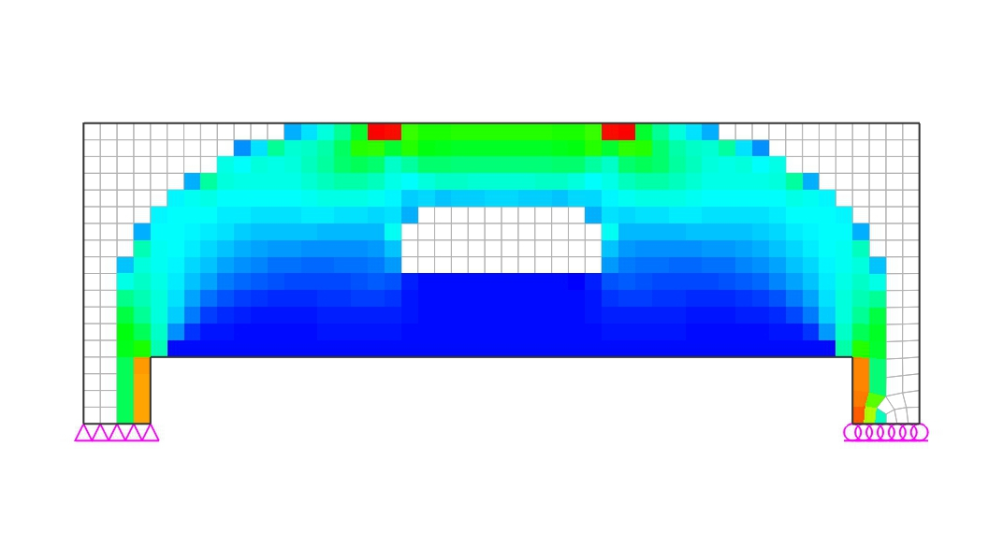

 |  |  | ⒠ STAGE-05 (Elimination ratio = 32%)
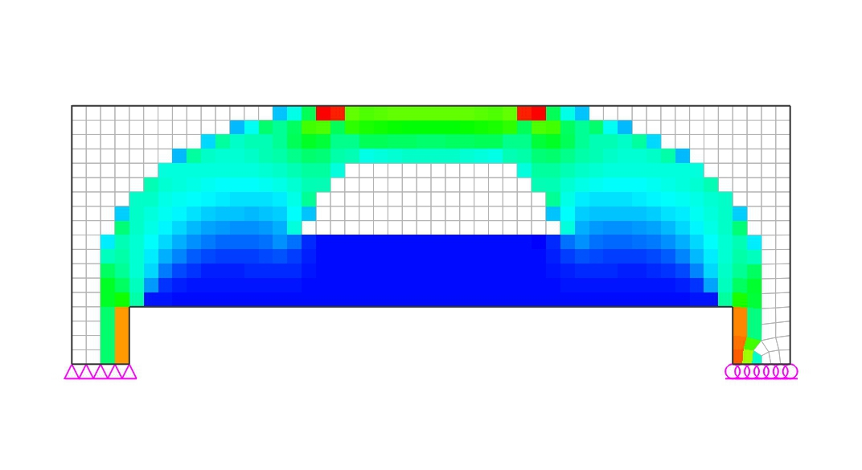

 |  |  | ⒡ STAGE-06 (Elimination ratio = 38%)
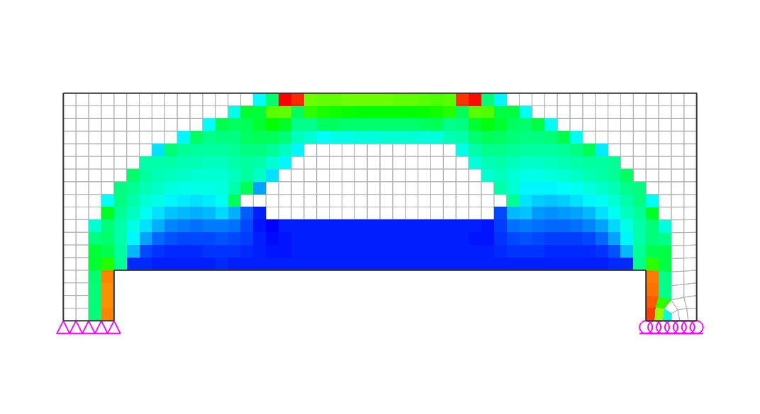

 |  |  | ⒢ STAGE-07 (Elimination ratio = 44%)
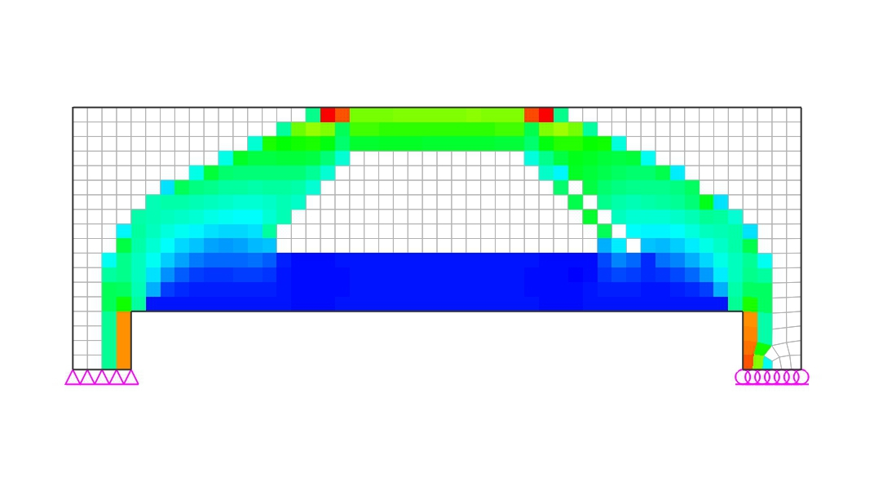

 |  |  | ⒣ STAGE-08 (Elimination ratio = 49%)
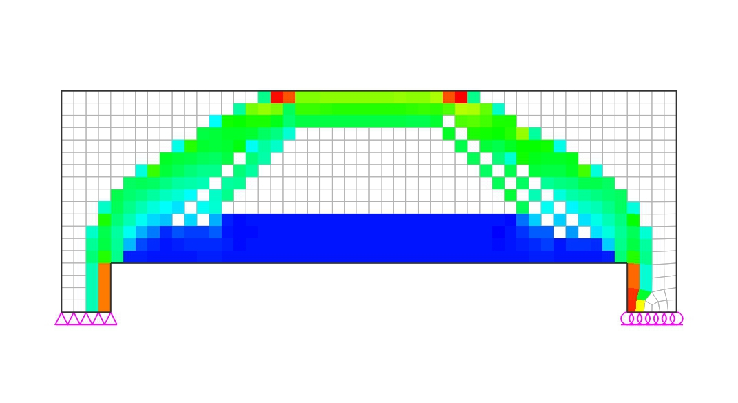

 |  |  | ⒤ STAGE-09 (Elimination ratio = 54%)
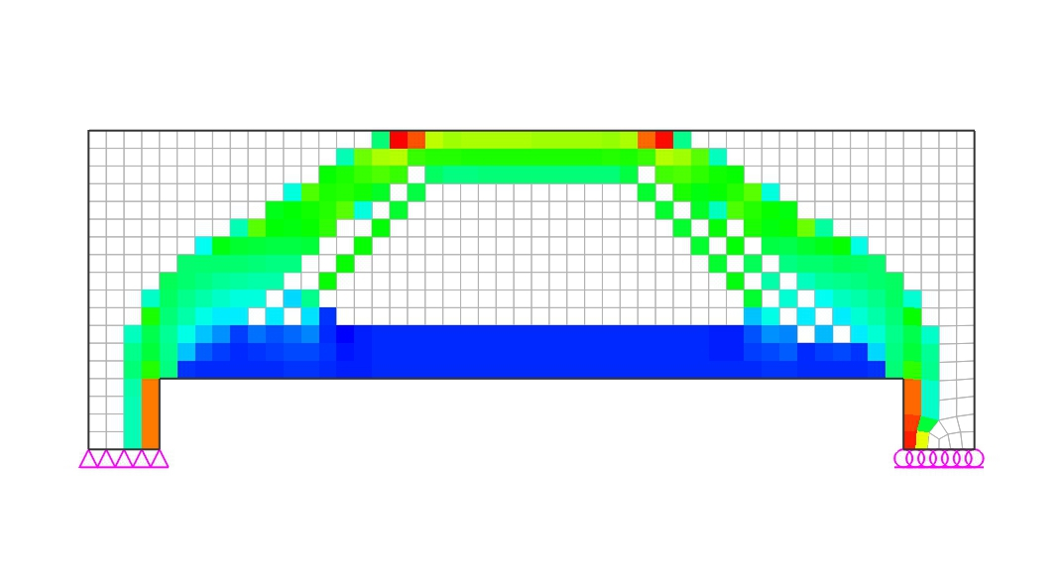

 |  |  | ⒥ STAGE-10 (Elimination ratio = 58%)
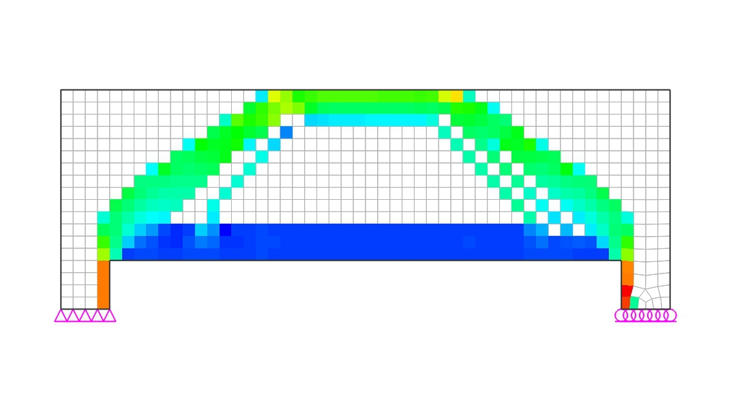

 |  |  | ⒦ STAGE-11 (Elimination ratio = 62%)
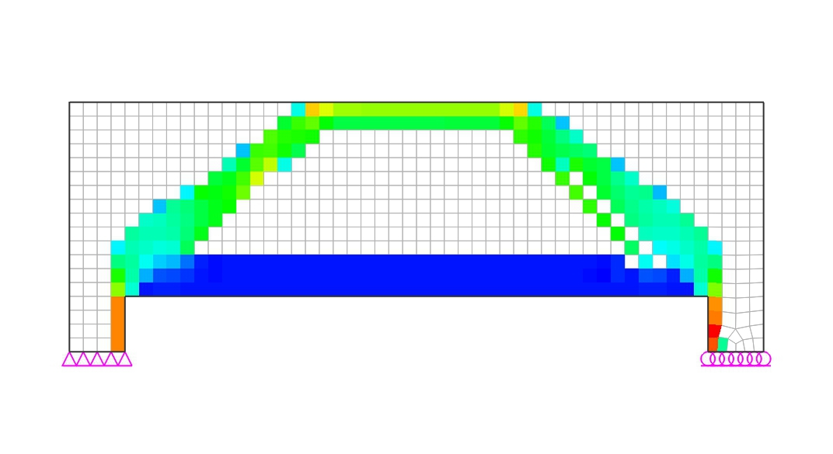

 |  |  | ⒧ STAGE-12 (Elimination ratio = 66%)
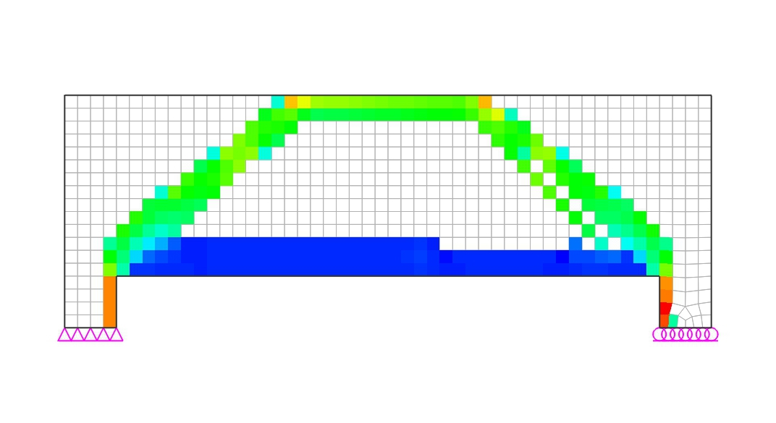

 |  |  | ⒨ STAGE-13 (Elimination ratio = 69%)
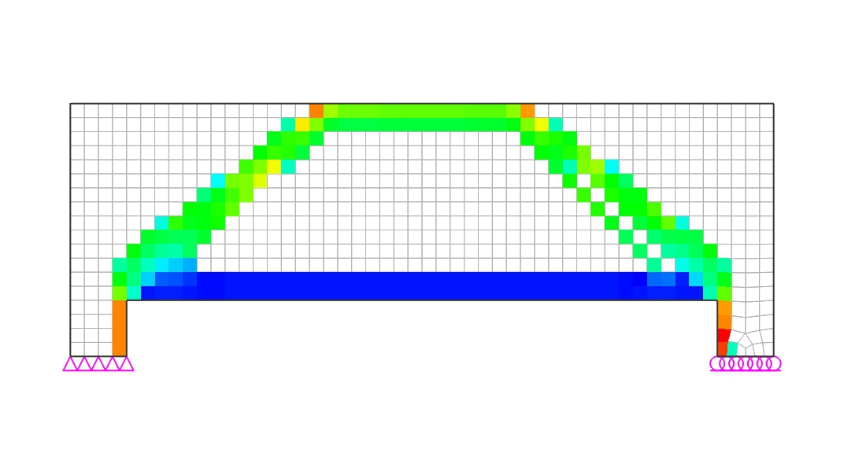

 |  |  | ⒩ STAGE-14 (Elimination ratio = 72%)
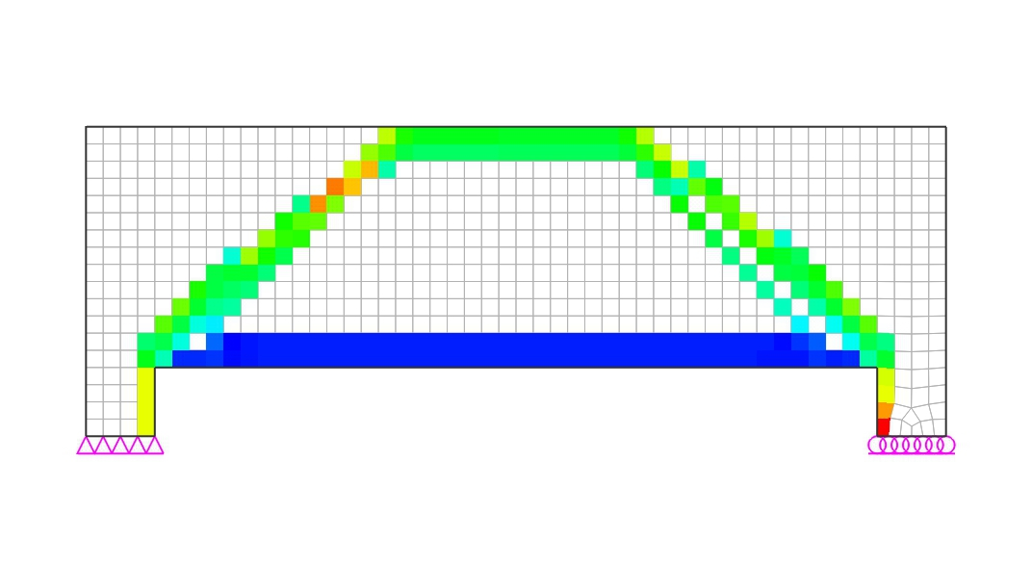

 |  |  | ⒪ STAGE-15 (Elimination ratio = 75%)
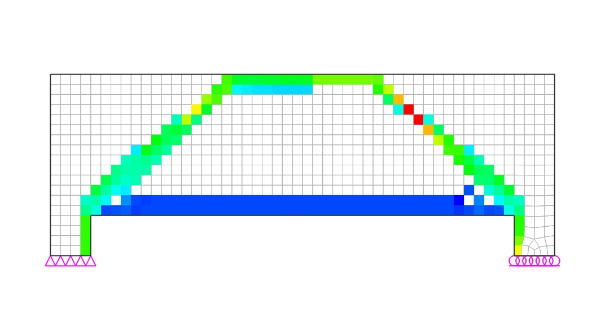

 |  | (2) Compressive Principal Stress Flow
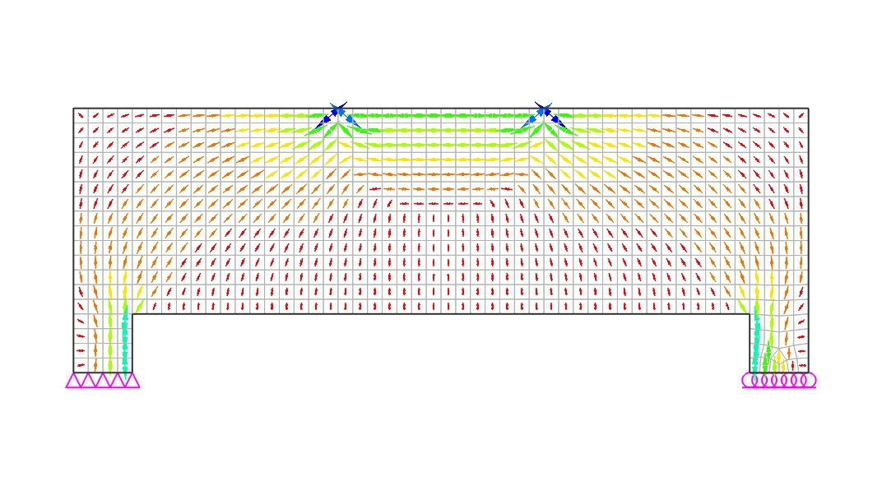

 |  | (3) Constructed Strut-Tie Model

 |  |  | (A) Nodal Coordinates
 |  |  | Node No. |  |  |  | X coordi. |  |  | Z coordi. |  |  | Node No. |  |  |  | X coordi. |  |  | Z coordi.

 |  |  | 1 |  |  |  | 1.000 |  |  | 1.675 |  |  | 2 |  |  |  | 1.800 |  |  | 1.675
 |  |  | 3 |  |  |  | 3.200 |  |  | 1.675 |  |  | 4 |  |  |  | 4.000 |  |  | 1.675
 |  |  | 5 |  |  |  | 0.200 |  |  | 0.530 |  |  | 6 |  |  |  | 1.000 |  |  | 0.530
 |  |  | 7 |  |  |  | 4.000 |  |  | 0.530 |  |  | 8 |  |  |  | 4.800 |  |  | 0.530

 |  |  | (B) Element Connectivity
 |  |  | Element No. |  |  |  | Start Node |  |  | End Node |  |  | Element No. |  |  |  | Start Node |  |  | End Node

 |  |  | 1 |  |  |  | 1 |  |  | 2 |  |  | 2 |  |  |  | 2 |  |  | 3
 |  |  | 3 |  |  |  | 4 |  |  | 3 |  |  | 4 |  |  |  | 5 |  |  | 1
 |  |  | 5 |  |  |  | 1 |  |  | 6 |  |  | 6 |  |  |  | 5 |  |  | 2
 |  |  | 7 |  |  |  | 2 |  |  | 6 |  |  | 8 |  |  |  | 3 |  |  | 7
 |  |  | 9 |  |  |  | 4 |  |  | 7 |  |  | 10 |  |  |  | 8 |  |  | 3
 |  |  | 11 |  |  |  | 8 |  |  | 4 |  |  | 12 |  |  |  | 6 |  |  | 5
 |  |  | 13 |  |  |  | 6 |  |  | 7 |  |  | 14 |  |  |  | 7 |  |  | 8

 |  |  | (C) Restraints
 |  |  | Node |  | Ux |  |  | Uy |  |  | Uz |  |  | Rx |  |  | Ry |  |  | Rz
 |  |  | 5 |  | O |  |  | O |  |  | O |  |  | O |  |  | - |  |  | O
 |  |  | 8 |  | - |  |  | - |  |  | O |  |  | - |  |  | - |  |  | -

 | 2) Analysis of Strut-Tie Model
 |  | (1) Loading Conditions
 |  |  | (A) D

 |  | (2) Strut and Tie Types

 |  | - Strut1 : Strut without Transverse Tension
 |  | - Strut2 : Strut with Transverse Tension
 |  | - Tie1 : Tie for top rebars
 |  | - Tie2 : Tie for bottom rebars
 |  | - Tie3 : Tie for intermediate vertical/horizontal rebars
 |  | - Tie4 : Tie for intermediate vertical rebars

 |  | (3) Strut and Tie Forces

 | Elem. No. |  | Force (kN) |  |  |  | Elem. No. |  | Force (kN) |  |  |  | Elem. No. |  | Force (kN) |  |  |  | Elem. No. |  | Force (kN)

 | 1 |  | -184.6 |  |  |  | 2 |  | -1397.4 |  |  |  | 3 |  | -184.6 |  |  |  | 4 |  | -322.4
 | 5 |  | 264.2 |  |  |  | 6 |  | -1264.3 |  |  |  | 7 |  | -322.4 |  |  |  | 8 |  | -322.4
 | 9 |  | 264.2 |  |  |  | 10 |  | -1264.3 |  |  |  | 11 |  | -322.4 |  |  |  | 12 |  | 1212.8
 | 13 |  | 1397.4 |  |  |  | 14 |  | 1212.8 |  |  |  | - |  | - |  |  |  | - |  | -

 | 3) Strength Verification and Required Rebars
 |  | (1) Required Area of Rebars
 |  | 1) Main Rebars
 |  |  | (A) Horizontal Rebars
 |  |  | As.req |  | = | Fu/cos θ |  |  |  | ≤ | As.used
 |  |  |  |  |  | fy/γ
 |  |  | where,
 |  |  |  | Fu = member force of steel tie
 |  |  |  | γ = partial safety factor for steel tie : 1.15
 |  |  |  | fy = yield strength of steel : 400.0 MPa
 |  |  |  | θ = angle of steel tie measured from positive horizontal axis
 |  |  |  | (+: counterclockwise)

 | Tie No. |  |  | Types |  |  | Fu (kN) |  |  | θ (deg.) |  |  | Rebars |  |  |  | As.req (mm²) |  |  | As.used (mm²) |  |  | Note
 | 12 |  |  | Bottom |  |  | 1212.8 |  |  | 0.0 |  |  | 8-#8 |  |  |  | 3487.0 |  |  | 4054.0 |  |  | O.K
 | 13 |  |  | Bottom |  |  | 1397.4 |  |  | 0.0 |  |  | 8-#8 |  |  |  | 4017.0 |  |  | 4054.0 |  |  | O.K

 |  | 2) Transverse Rebars
 |  |  | (A) Vertical Rebars
 |  |  | φ·Fn |  | = | Av·fy/γs·weff,tie·sin θ |  |  |  |  |  |  | ≥ | Fu
 |  |  |  |  |  | sv
 |  |  | where,
 |  |  |  | Fu = member force of steel tie
 |  |  |  | γ = partial safety factor for steel tie : 1.15
 |  |  |  | fy = yield strength of steel : 400.0 MPa
 |  |  |  | θ = angle of steel tie measured from positive horizontal axis
 |  |  |  | (+: counterclockwise)
 |  |  |  | sv = spacing of vertical rebars
 |  |  |  | weff,tie = effective width of tie

 | Tie No. |  |  | Fu (kN) |  |  | θ (deg.) |  |  | Rebars |  |  | weff,tie (mm) |  |  | sv (mm) |  |  | φFn (kN) |  |  | Note
 | 5 |  |  | 264.3 |  |  | 90.0 |  |  | 2-#4 |  |  | 800.0 |  |  | 200.0 |  |  | 352.5 |  |  | O.K

 |  | (2) Available Widths of Struts and Nodal Zones
 |  | The available widths of a strut at both ends and nodal zone faces are determined by
 |  | taking the minimum ones from the values calculated below for three cases.

 |  | -Case 1

 |  | -Case 2

 |  | -Case 3

 | The available widths of struts and ties determined by the methods introduced above are
 | shown below.

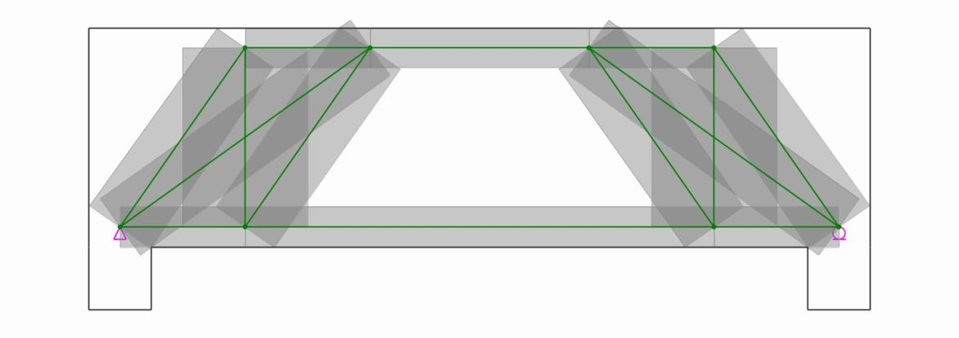

 | Elem. No. |  | i-width |  |  | j-width |  |  | Available Width |  |  |  | Elem. No. |  | i-width |  |  | j-width |  |  | Available Width

 | 1 |  | 250.0 |  |  | 250.0 |  |  | 250.0 |  |  |  | 2 |  | 250.0 |  |  | 250.0 |  |  | 250.0
 | 3 |  | 250.0 |  |  | 250.0 |  |  | 250.0 |  |  |  | 4 |  | 476.8 |  |  | 436.5 |  |  | 436.5
 | 6 |  | 444.2 |  |  | 436.1 |  |  | 436.1 |  |  |  | 7 |  | 471.1 |  |  | 454.0 |  |  | 454.0
 | 8 |  | 471.1 |  |  | 454.0 |  |  | 454.0 |  |  |  | 10 |  | 444.2 |  |  | 436.1 |  |  | 436.1
 | 11 |  | 476.8 |  |  | 436.5 |  |  | 436.5 |  |  |  | - |  | - |  |  | - |  |  | -

 |  | (3) Strength of Struts
 |  | - Design strength of concrete strut without transverse tension (Type 1)
 |  | wreq |  | = | Fu |  |  |  | ≤ | wprov |  | (See Eurocode 2 Section 6.5.2(1))
 |  |  |  |  | (α·fck/γ)·b
 |  | - Design strength of concrete strut with transverse tension (Type 2)
 |  | wreq |  | = | Fu |  |  |  |  |  |  |  | ≤ | wprov |  | (See Eurocode 2 Section 6.5.2(2))
 |  |  |  |  | 0.6·(1-fck/250)·(α·fck/γ)·b
 |  |  | γ = partial safety factor for concrete = 1.50
 |  |  | α = coefficient of long term effects = 1.00

 | Strut No. |  |  | Type |  |  | θ (deg.) |  |  | Fu (kN) |  |  | b (mm) |  |  | wreq (mm) |  |  | wprov (mm) |  |  | Note
 | 1 |  |  | 1 |  |  | 0.0 |  |  | 184.6 |  |  | 350.0 |  |  | 29.3 |  |  | 250.0 |  |  | O.K
 | 2 |  |  | 1 |  |  | 0.0 |  |  | 1397.4 |  |  | 350.0 |  |  | 221.8 |  |  | 250.0 |  |  | O.K
 | 3 |  |  | 1 |  |  | 0.0 |  |  | 184.6 |  |  | 350.0 |  |  | 29.3 |  |  | 250.0 |  |  | O.K
 | 4 |  |  | 2 |  |  | 55.1 |  |  | 322.4 |  |  | 350.0 |  |  | 95.6 |  |  | 436.5 |  |  | O.K
 | 6 |  |  | 2 |  |  | 35.6 |  |  | 1264.3 |  |  | 350.0 |  |  | 375.0 |  |  | 436.1 |  |  | O.K
 | 7 |  |  | 2 |  |  | 55.1 |  |  | 322.4 |  |  | 350.0 |  |  | 95.6 |  |  | 454.0 |  |  | O.K
 | 8 |  |  | 2 |  |  | 55.1 |  |  | 322.4 |  |  | 350.0 |  |  | 95.6 |  |  | 454.0 |  |  | O.K
 | 10 |  |  | 2 |  |  | 35.6 |  |  | 1264.3 |  |  | 350.0 |  |  | 375.0 |  |  | 436.1 |  |  | O.K
 | 11 |  |  | 2 |  |  | 55.1 |  |  | 322.4 |  |  | 350.0 |  |  | 95.6 |  |  | 436.5 |  |  | O.K

 |  | (4) Strength of Nodal Zones
 | The verification of the nodal zone strength should be done through comparing the
 | available nodal zone area with that required. In this report, if the thickness of
 | the structural concrete is consistent, the verification will be done by comparing the
 | available nodal zone width, wprov, with that required, wreq.
 | wreq |  | = | Fu |  |  |  |  |  |  |  | ≤ | wprov |  | (See Eurocode 2 Section 6.5.4(4))
 |  |  |  | k·(1-fck/250)·(α·fck/γ)·b
 |  | k | = | 1.00 |  | (compression nodes where no ties are anchored at the node)
 |  |  |  | 0.85 |  | (compression-tension nodes with anchored ties provided in
 |  |  |  |  |  | one direction)
 |  |  |  | 0.75 |  | (compression-tension nodes with anchored ties provided in
 |  |  |  |  |  | more than one direction)
 |  | γ | = | 1.50 |  | (partial safety factor for concrete)
 |  | α | = | 1.00 |  | (coefficient of long term effects)

 | Under the conditions listed below, the design compressive stress values given in
 | 6.5.4(4) may be increased by up to 10% where at least one of the following applies:
 |  | - triaxial compression is assured
 |  | - all angles between struts and ties are ≥ 55
 |  | - the stresses applied at supports or at point loads are uniform, and the node is
 |  | confined by stirrups
 |  | - the reinforcement is arranged in multiple layers
 |  | - the node is reliably confined by means of bearing arrangement or friction

 | Node No. |  |  | k |  |  | Type |  |  | Element |  |  | Fu (kN) |  |  | wreq (mm) |  |  | wprov (mm) |  |  | Note
 | 1 |  |  | 0.85 |  |  | CCT |  |  | C-1 |  |  | 184.6 |  |  | 38.7 |  |  | 250.0 |  |  | O.K
 |  |  |  |  |  |  |  |  |  | C-4 |  |  | 322.4 |  |  | 67.5 |  |  | 436.5 |  |  | O.K
 |  |  |  |  |  |  |  |  |  | T-5 |  |  | 264.2 |  |  | 55.3 |  |  | 800.0 |  |  | O.K
 | 2 |  |  | 1.00 |  |  | CCC |  |  | V |  |  | 1000.0 |  |  | 177.9 |  |  | 400.0 |  |  | O.K
 |  |  |  |  |  |  |  |  |  | C-1 |  |  | 184.6 |  |  | 32.9 |  |  | 250.0 |  |  | O.K
 |  |  |  |  |  |  |  |  |  | C-2 |  |  | 1397.4 |  |  | 248.7 |  |  | 250.0 |  |  | O.K
 |  |  |  |  |  |  |  |  |  | C-6 |  |  | 1264.3 |  |  | 225.0 |  |  | 436.1 |  |  | O.K
 |  |  |  |  |  |  |  |  |  | C-7 |  |  | 322.4 |  |  | 57.4 |  |  | 471.1 |  |  | O.K
 | 3 |  |  | 1.00 |  |  | CCC |  |  | V |  |  | 1000.0 |  |  | 177.9 |  |  | 400.0 |  |  | O.K
 |  |  |  |  |  |  |  |  |  | C-2 |  |  | 1397.4 |  |  | 248.7 |  |  | 250.0 |  |  | O.K
 |  |  |  |  |  |  |  |  |  | C-3 |  |  | 184.6 |  |  | 32.9 |  |  | 250.0 |  |  | O.K
 |  |  |  |  |  |  |  |  |  | C-8 |  |  | 322.4 |  |  | 57.4 |  |  | 471.1 |  |  | O.K
 |  |  |  |  |  |  |  |  |  | C-10 |  |  | 1264.3 |  |  | 225.0 |  |  | 436.1 |  |  | O.K
 | 4 |  |  | 0.85 |  |  | CCT |  |  | C-3 |  |  | 184.6 |  |  | 38.7 |  |  | 250.0 |  |  | O.K
 |  |  |  |  |  |  |  |  |  | T-9 |  |  | 264.2 |  |  | 55.3 |  |  | 800.0 |  |  | O.K
 |  |  |  |  |  |  |  |  |  | C-11 |  |  | 322.4 |  |  | 67.5 |  |  | 436.5 |  |  | O.K
 | 5 |  |  | 0.85 |  |  | CCT |  |  | R |  |  | 1000.0 |  |  | 209.4 |  |  | 400.0 |  |  | O.K
 |  |  |  |  |  |  |  |  |  | C-4 |  |  | 322.4 |  |  | 67.5 |  |  | 476.8 |  |  | O.K
 |  |  |  |  |  |  |  |  |  | C-6 |  |  | 1264.3 |  |  | 264.7 |  |  | 444.2 |  |  | O.K
 |  |  |  |  |  |  |  |  |  | T-12 |  |  | 1212.8 |  |  | 253.9 |  |  | 260.0 |  |  | O.K
 | 6 |  |  | 0.75 |  |  | CTT |  |  | T-5 |  |  | 264.2 |  |  | 62.7 |  |  | 800.0 |  |  | O.K
 |  |  |  |  |  |  |  |  |  | C-7 |  |  | 322.4 |  |  | 76.5 |  |  | 454.0 |  |  | O.K
 |  |  |  |  |  |  |  |  |  | T-12 |  |  | - |  |  | - |  |  | - |  |  | -
 |  |  |  |  |  |  |  |  |  | T-13 |  |  | 184.6 |  |  | 43.8 |  |  | 260.0 |  |  | O.K
 | 7 |  |  | 0.75 |  |  | CTT |  |  | C-8 |  |  | 322.4 |  |  | 76.5 |  |  | 454.0 |  |  | O.K
 |  |  |  |  |  |  |  |  |  | T-9 |  |  | 264.2 |  |  | 62.7 |  |  | 800.0 |  |  | O.K
 |  |  |  |  |  |  |  |  |  | T-13 |  |  | 184.6 |  |  | 43.8 |  |  | 260.0 |  |  | O.K
 |  |  |  |  |  |  |  |  |  | T-14 |  |  | - |  |  | - |  |  | - |  |  | -
 | 8 |  |  | 0.85 |  |  | CCT |  |  | R |  |  | 1000.0 |  |  | 209.4 |  |  | 400.0 |  |  | O.K
 |  |  |  |  |  |  |  |  |  | C-10 |  |  | 1264.3 |  |  | 264.7 |  |  | 444.2 |  |  | O.K
 |  |  |  |  |  |  |  |  |  | C-11 |  |  | 322.4 |  |  | 67.5 |  |  | 476.8 |  |  | O.K
 |  |  |  |  |  |  |  |  |  | T-14 |  |  | 1212.8 |  |  | 253.9 |  |  | 260.0 |  |  | O.K
 | C: compression; T: tension; V: vertical force; H: horizontal force

Summary
3. Summary
 | 1) Dimensioned Shape
 |  | (1) Load Combination - 1

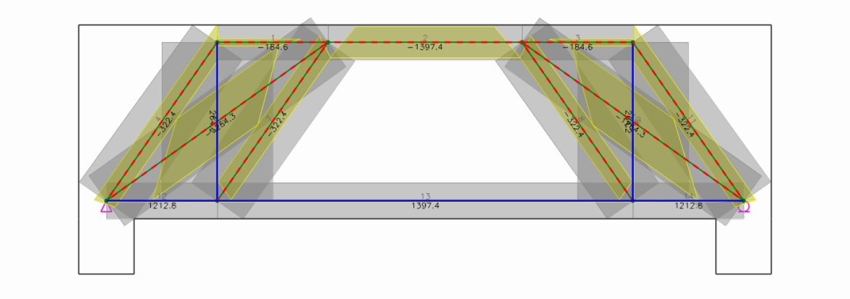

 | 2) Required and Used Areas of Rebars
 |  | (1) Load Combination - 1

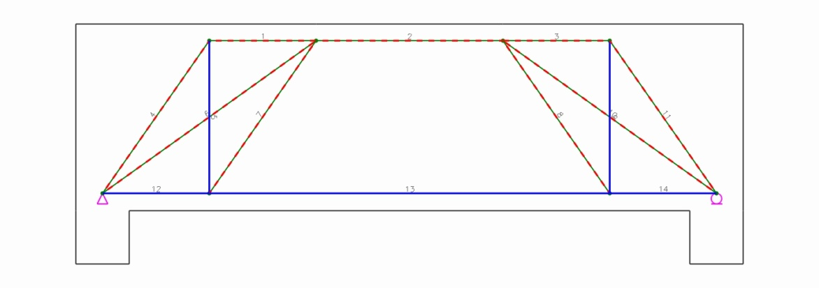

 |  |  | (A) Main Rebars
 |  |  | - Horizontal Rebars
 | Tie No. |  |  | Types | Fu (kN) | θ (deg.) | Rebars |  | As.req (mm²) |  | As.used (mm²) |  | Note
 | 12 |  |  | Bottom | 1212.8 | 0.0 | 8-#8 |  | 3487.0 |  | 4054.0 |  | O.K
 | 13 |  |  | Bottom | 1397.4 | 0.0 | 8-#8 |  | 4017.0 |  | 4054.0 |  | O.K

 |  |  | (B) Transverse Rebars
 |  |  | - Vertical Rebars
 | Tie No. |  |  | Fu (kN) | θ (deg.) | Rebars | weff,tie (mm) | sv (mm) |  | φFn (kN) |  | Note
 | 5 |  |  | 264.3 | 90.0 | 2-#4 | 800.0 | 200.0 |  | 352.5 |  | O.K

