LC01
2. Strut-Tie Model Design (Load Combination-1)
 | 1) Construction of Strut-Tie Model
 |  | (1) ESO (Evolutionary Structural Optimization)
 |  |  | ⒜ STAGE-01 (Initial shape)
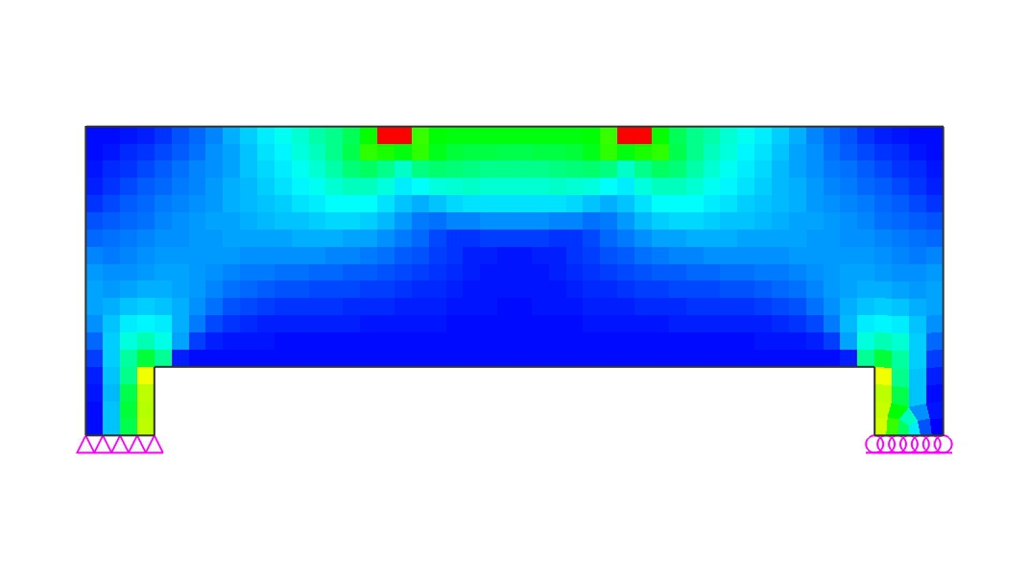

 |  |  | ⒝ STAGE-02 (Elimination ratio = 9%)
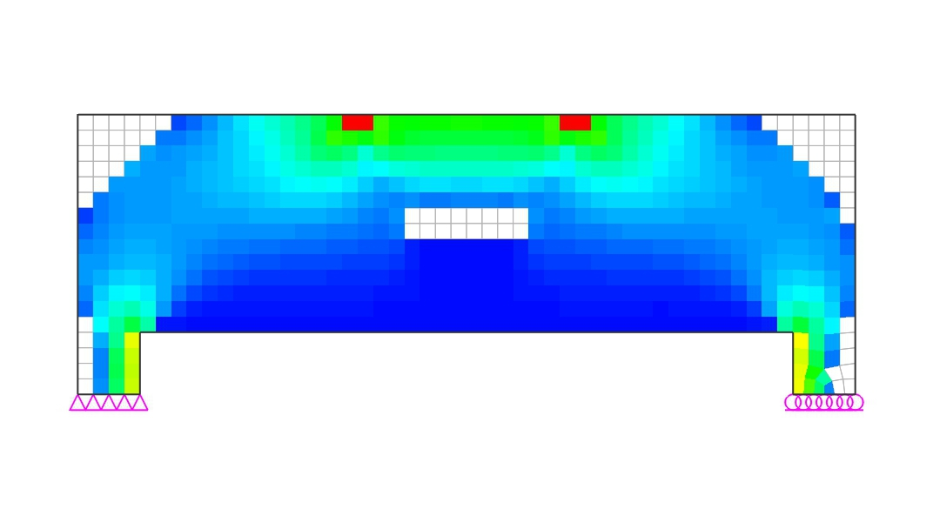

 |  |  | ⒞ STAGE-03 (Elimination ratio = 18%)
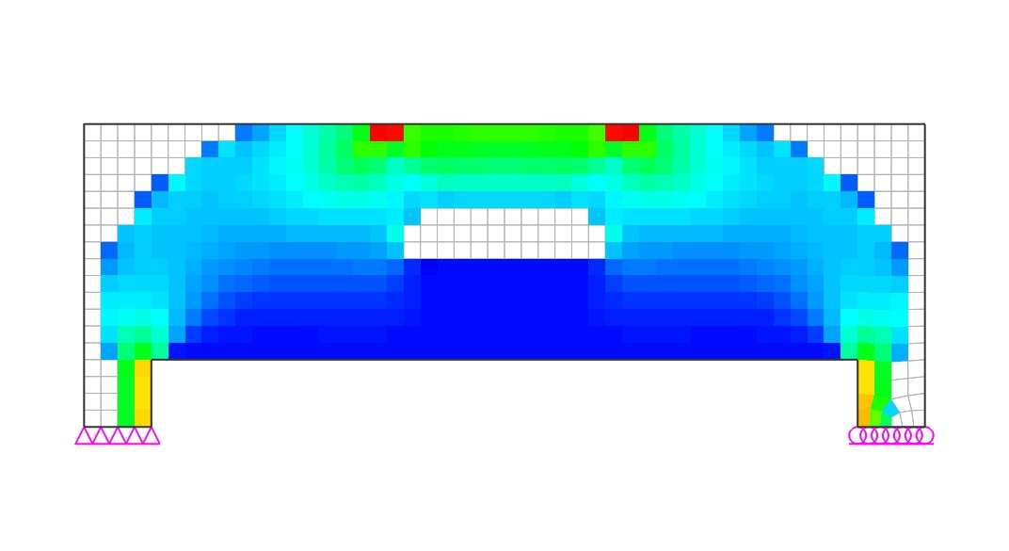

 |  |  | ⒟ STAGE-04 (Elimination ratio = 25%)
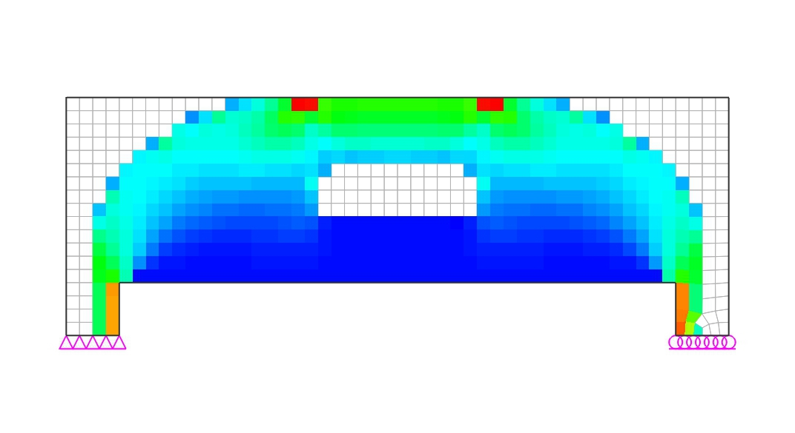

 |  |  | ⒠ STAGE-05 (Elimination ratio = 32%)
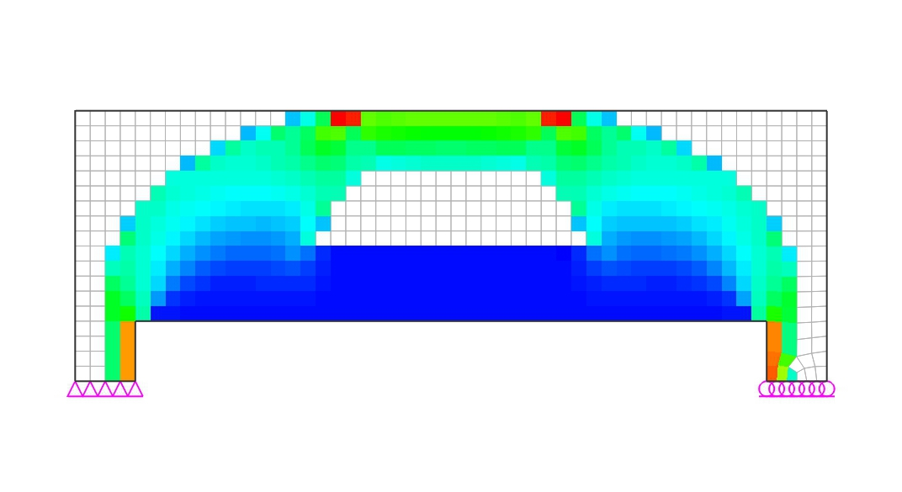

 |  |  | ⒡ STAGE-06 (Elimination ratio = 38%)
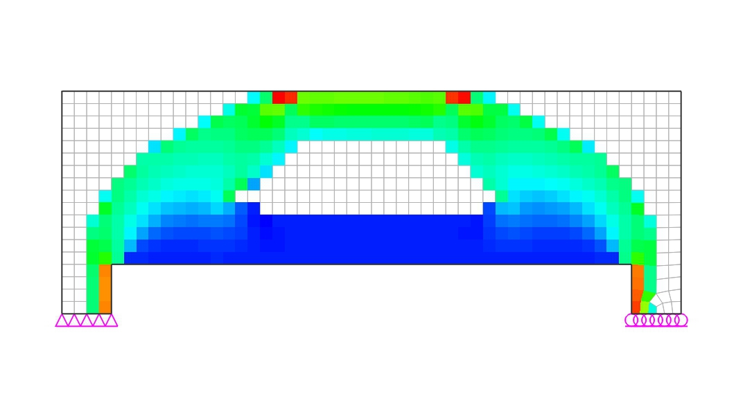

 |  |  | ⒢ STAGE-07 (Elimination ratio = 44%)
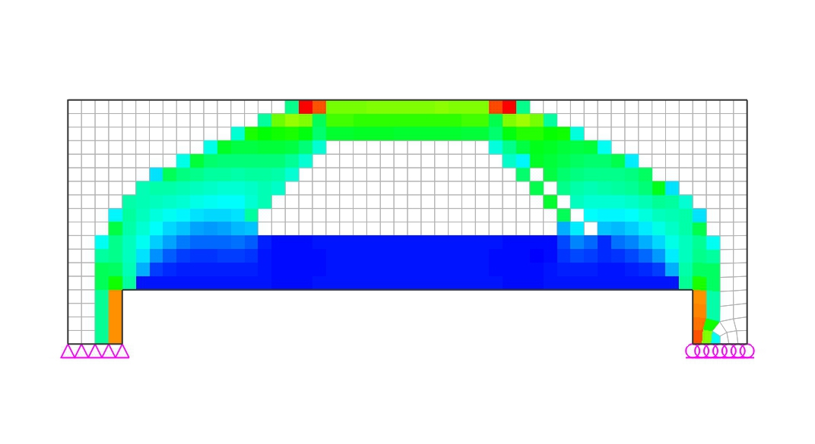

 |  |  | ⒣ STAGE-08 (Elimination ratio = 49%)
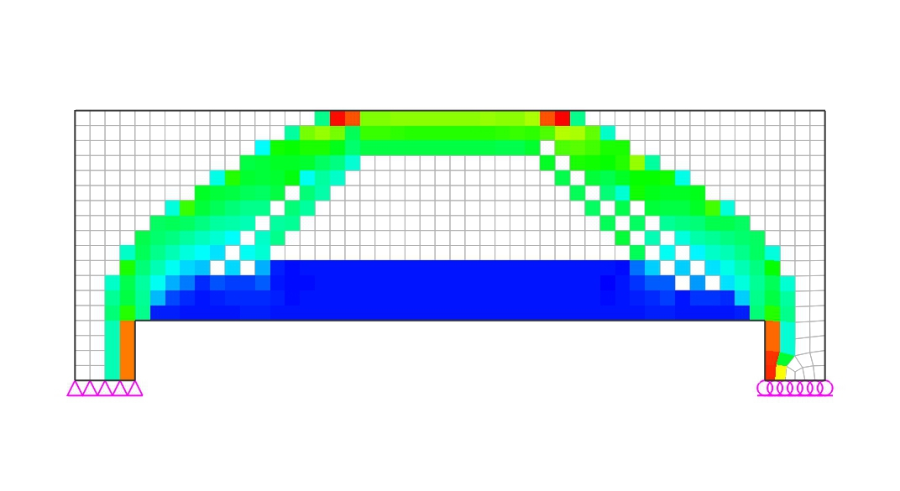

 |  |  | ⒤ STAGE-09 (Elimination ratio = 54%)
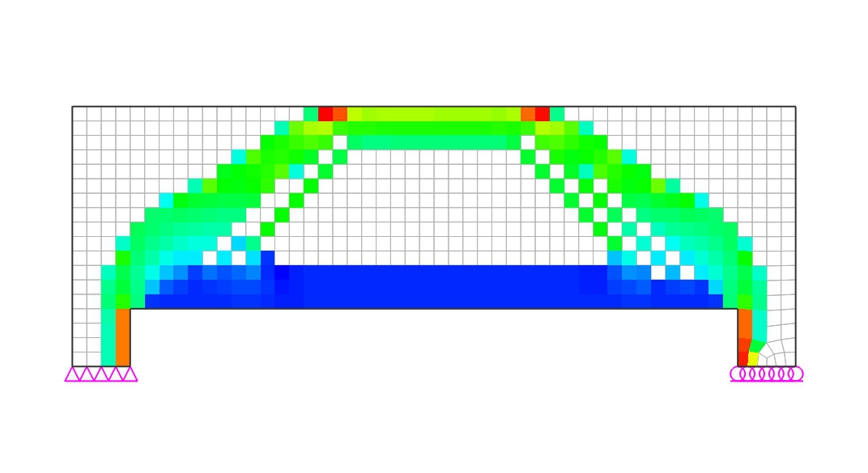

 |  |  | ⒥ STAGE-10 (Elimination ratio = 58%)
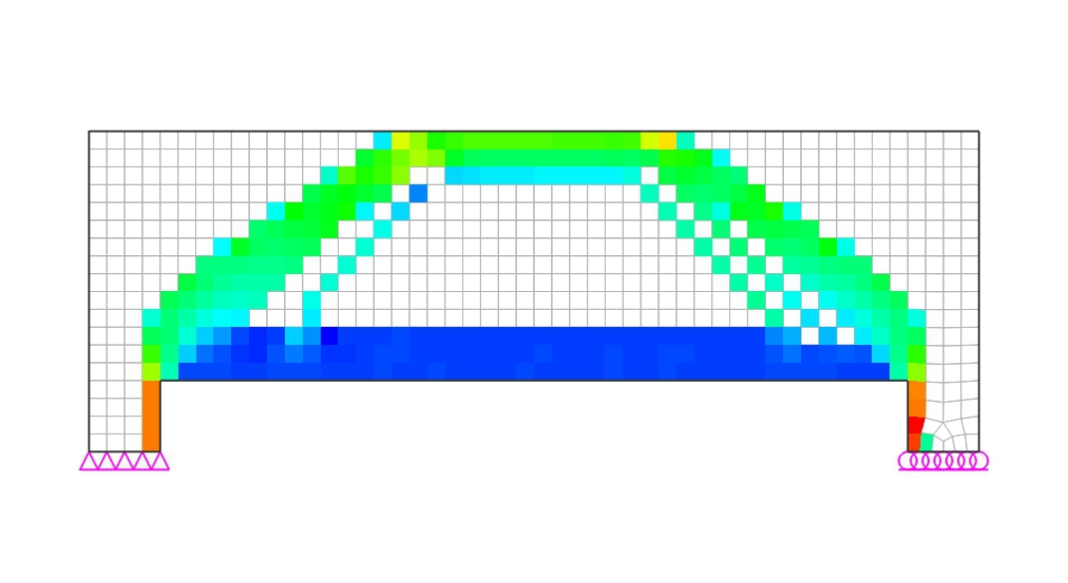

 |  |  | ⒦ STAGE-11 (Elimination ratio = 62%)
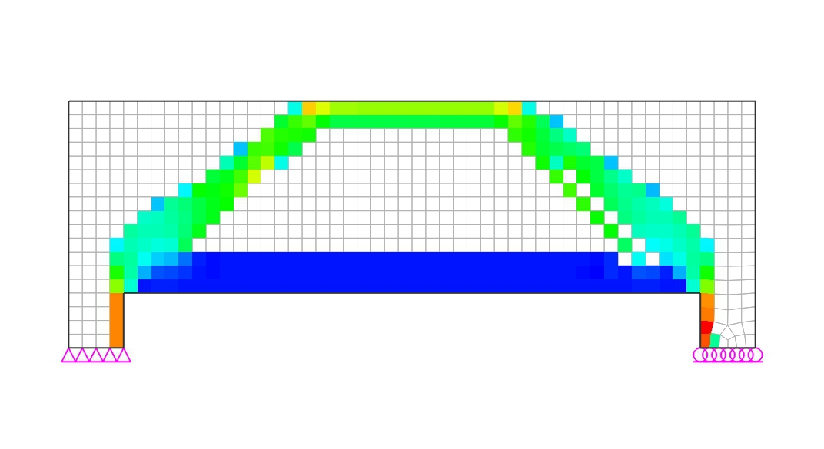

 |  |  | ⒧ STAGE-12 (Elimination ratio = 66%)
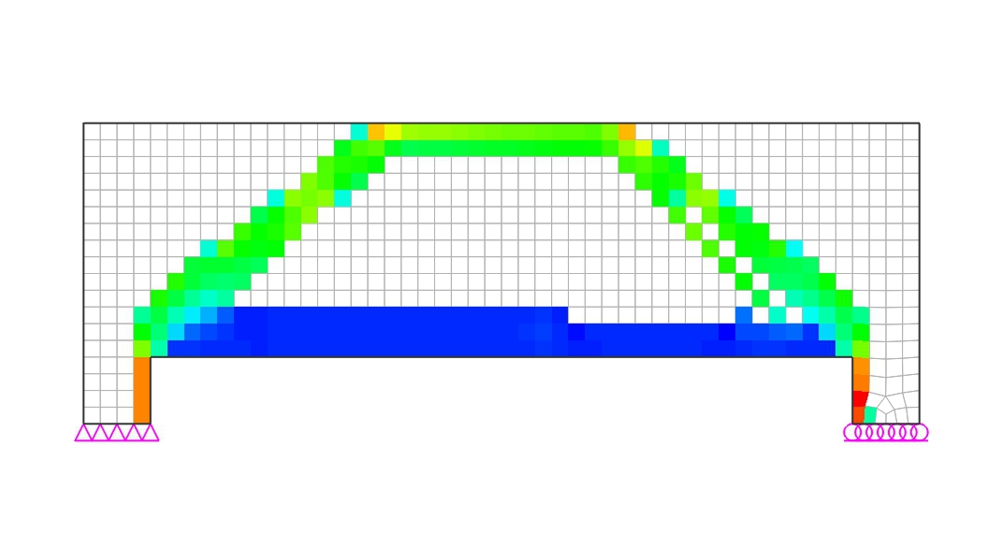

 |  |  | ⒨ STAGE-13 (Elimination ratio = 69%)
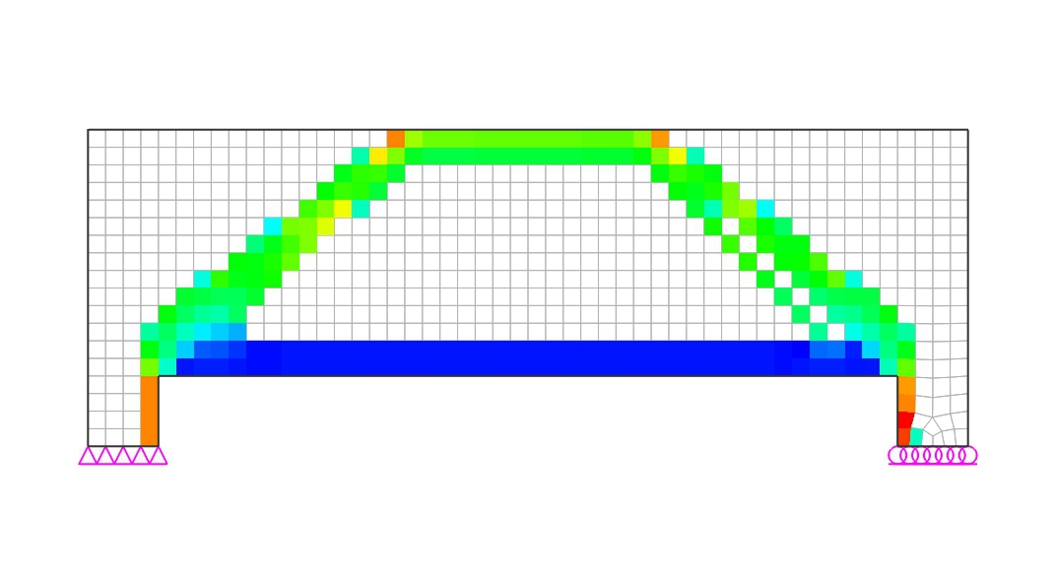

 |  |  | ⒩ STAGE-14 (Elimination ratio = 72%)
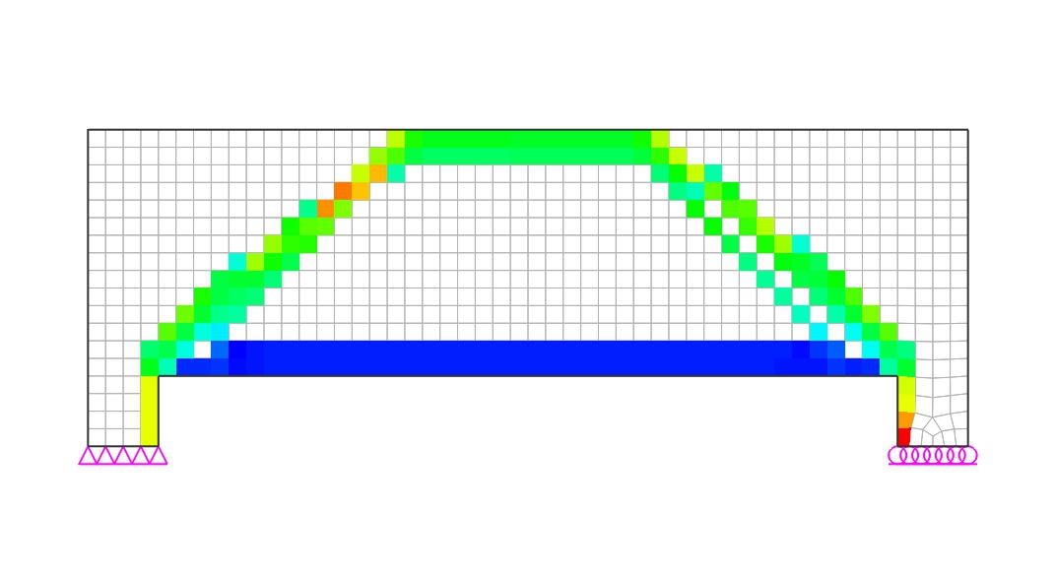

 |  |  | ⒪ STAGE-15 (Elimination ratio = 75%)
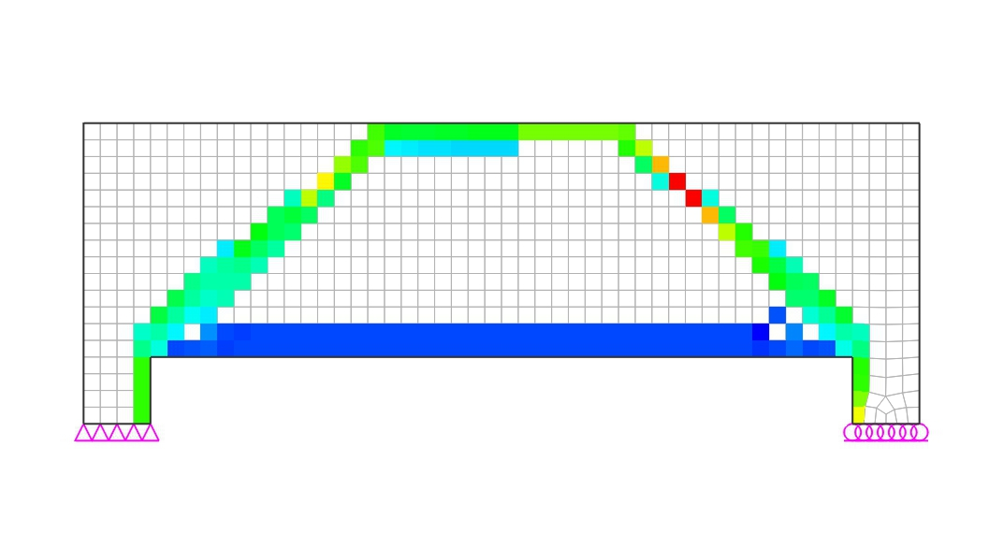

 |  | (2) Compressive Principal Stress Flow
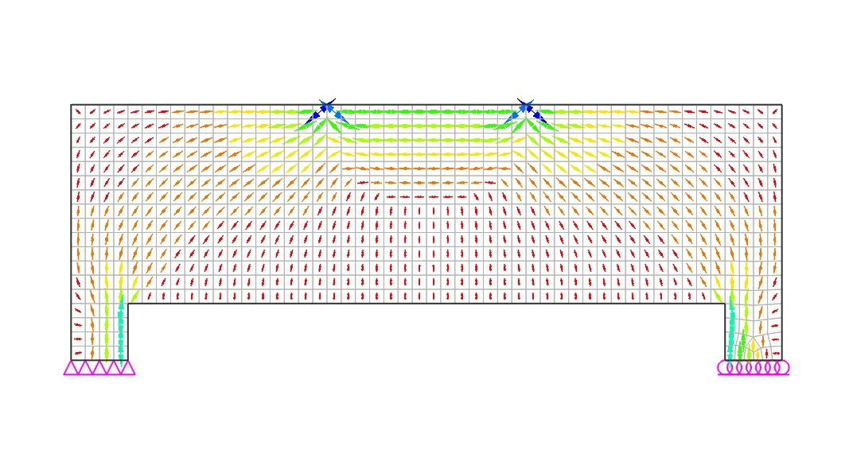

 |  | (3) Constructed Strut-Tie Model

 |  |  | (A) Nodal Coordinates
 |  |  | Node No. |  |  |  | X coordi. |  |  | Z coordi. |  | Node No. |  |  |  | X coordi. |  |  | Z coordi.

 |  |  | 1 |  |  |  | 1.000 |  |  | 1.675 |  | 2 |  |  |  | 1.800 |  |  | 1.675
 |  |  | 3 |  |  |  | 3.200 |  |  | 1.675 |  | 4 |  |  |  | 4.000 |  |  | 1.675
 |  |  | 5 |  |  |  | 0.200 |  |  | 0.525 |  | 6 |  |  |  | 1.000 |  |  | 0.525
 |  |  | 7 |  |  |  | 4.000 |  |  | 0.525 |  | 8 |  |  |  | 4.800 |  |  | 0.525

 |  |  | (B) Element Connectivity
 |  |  | Element No. |  |  |  | Start Node |  |  | End Node |  | Element No. |  |  |  | Start Node |  |  | End Node

 |  |  | 1 |  |  |  | 1 |  |  | 2 |  | 2 |  |  |  | 2 |  |  | 3
 |  |  | 3 |  |  |  | 4 |  |  | 3 |  | 4 |  |  |  | 5 |  |  | 1
 |  |  | 5 |  |  |  | 1 |  |  | 6 |  | 6 |  |  |  | 5 |  |  | 2
 |  |  | 7 |  |  |  | 2 |  |  | 6 |  | 8 |  |  |  | 3 |  |  | 7
 |  |  | 9 |  |  |  | 4 |  |  | 7 |  | 10 |  |  |  | 8 |  |  | 3
 |  |  | 11 |  |  |  | 8 |  |  | 4 |  | 12 |  |  |  | 6 |  |  | 5
 |  |  | 13 |  |  |  | 6 |  |  | 7 |  | 14 |  |  |  | 7 |  |  | 8

 |  |  | (C) Restraints
 |  |  | Node |  | Ux |  |  | Uy |  |  | Uz |  | Rx |  |  | Ry |  |  | Rz
 |  |  | 5 |  | O |  |  | O |  |  | O |  | O |  |  | - |  |  | O
 |  |  | 8 |  | - |  |  | - |  |  | O |  | - |  |  | - |  |  | -

 | 2) Analysis of Strut-Tie Model
 |  | (1) Loading Conditions
 |  |  | (A) D

 |  | (2) Strut and Tie Types

 |  | - Tie1 : Tie for top rebars
 |  | - Tie2 : Tie for bottom rebars
 |  | - Tie3 : Tie for intermediate vertical/horizontal rebars
 |  | - Tie4 : Tie for intermediate vertical rebars

 |  | (3) Strut and Tie Forces

 | Elem. No. |  | Force (kN) |  |  |  | Elem. No. |  | Force (kN) |  |  | Elem. No. |  | Force (kN) |  |  |  | Elem. No. |  | Force (kN)

 | 1 |  | -185.9 |  |  |  | 2 |  | -1391.3 |  |  | 3 |  | -185.9 |  |  |  | 4 |  | -325.6
 | 5 |  | 267.3 |  |  |  | 6 |  | -1255.5 |  |  | 7 |  | -325.6 |  |  |  | 8 |  | -325.6
 | 9 |  | 267.3 |  |  |  | 10 |  | -1255.5 |  |  | 11 |  | -325.6 |  |  |  | 12 |  | 1205.4
 | 13 |  | 1391.3 |  |  |  | 14 |  | 1205.4 |  |  | - |  | - |  |  |  | - |  | -

 | 3) Strength Verification and Required Rebars
 |  | (1) Strength under Bearing/Loading Plates
 | φfce |  | = | φ·0.65·fck |  |  |  | ≥ | Fu/A

 |  | A | = | Area of bearing plates (=BxW)
 | Node |  |  | φ |  |  | fce (MPa) |  |  | Fu (kN) |  | B (mm) |  |  | W (mm) |  |  | Fu/A (MPa) |  |  | Note
 | 5 |  |  | 0.70 |  |  | 12.28 |  |  | 1000.0 |  | 350.0 |  |  | 400.0 |  |  | 7.143 |  |  | O.K
 | 8 |  |  | 0.70 |  |  | 12.28 |  |  | 1000.0 |  | 350.0 |  |  | 400.0 |  |  | 7.143 |  |  | O.K
 | 2 |  |  | 0.70 |  |  | 12.28 |  |  | 1000.0 |  | 350.0 |  |  | 400.0 |  |  | 7.143 |  |  | O.K
 | 3 |  |  | 0.70 |  |  | 12.28 |  |  | 1000.0 |  | 350.0 |  |  | 400.0 |  |  | 7.143 |  |  | O.K

 |  | (2) Required Area of Rebars
 |  | 1) Main Rebars
 |  |  | (A) Horizontal Rebars
 |  |  | As.req |  | = | Fu |  |  |  | ≤ | As.used
 |  |  |  |  |  | φ·fy·cos θ
 |  |  | where,
 |  |  |  | Fu = member force of steel tie
 |  |  |  | φ = strength reduction factor of steel tie : 0.90
 |  |  |  | fy = yield strength of steel : 400.0 MPa
 |  |  |  | θ = angle of steel tie measured from positive horizontal axis
 |  |  |  | (+: counterclockwise)

 | Tie No. |  |  | Types |  |  | Fu (kN) |  |  | θ (deg.) |  | Rebars |  |  |  | As.req (mm²) |  |  | As.used (mm²) |  |  | Note
 | 12 |  |  | Bottom |  |  | 1205.4 |  |  | 0.0 |  | 8-#8 |  |  |  | 3348.0 |  |  | 4054.0 |  |  | O.K
 | 13 |  |  | Bottom |  |  | 1391.3 |  |  | 0.0 |  | 8-#8 |  |  |  | 3865.0 |  |  | 4054.0 |  |  | O.K

 |  | 2) Transverse Rebars
 |  |  | (A) Vertical Rebars
 |  |  | φ·Fn |  | = | φ·Av·fy·weff,tie·sin θ |  |  |  |  |  | ≥ | Fu
 |  |  |  |  |  | sv
 |  |  | where,
 |  |  |  | Fu = member force of steel tie
 |  |  |  | φ = strength reduction factor of steel tie : 0.90
 |  |  |  | fy = yield strength of steel : 400.0 MPa
 |  |  |  | θ = angle of steel tie measured from positive horizontal axis
 |  |  |  | (+: counterclockwise)
 |  |  |  | sv = spacing of vertical rebars
 |  |  |  | weff,tie = effective width of tie

 | Tie No. |  |  | Fu (kN) |  |  | θ (deg.) |  |  | Rebars |  | weff,tie (mm) |  |  | sv (mm) |  |  | φFn (kN) |  |  | Note
 | 5 |  |  | 267.3 |  |  | 90.0 |  |  | 2-#4 |  | 800.0 |  |  | 200.0 |  |  | 364.8 |  |  | O.K

 |  | (3) Available Widths of Struts and Nodal Zones
 |  | 1) Node without bearing plate
 |  | The available widths of a strut at both ends and nodal zone faces are determined by
 |  | taking the minimum ones from the values calculated below for case 1 and case 2.

 |  | 2) Node with bearing plate
 |  | The available widths of a strut at both ends and nodal zone faces are determined by
 |  | taking the values calculated below for case 3.

 |  | -Case 1

 |  | -Case 2

 |  | -Case 3

 | The available widths of struts and ties determined by the methods introduced above are
 | shown below.

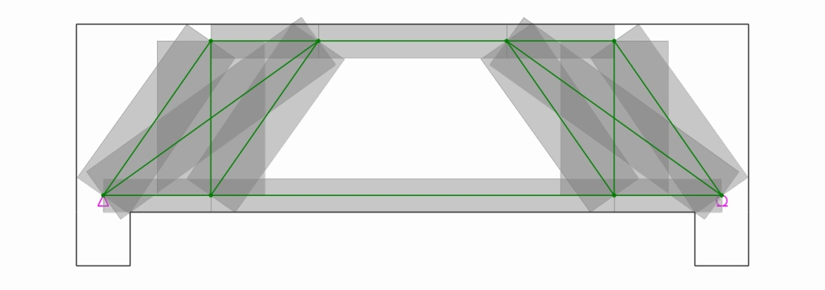

 | Elem. No. |  | i-width |  |  | j-width |  |  | Available Width |  |  | Elem. No. |  | i-width |  |  | j-width |  |  | Available Width

 | 1 |  | 250.0 |  |  | 250.0 |  |  | 250.0 |  |  | 2 |  | 250.0 |  |  | 250.0 |  |  | 250.0
 | 3 |  | 250.0 |  |  | 250.0 |  |  | 250.0 |  |  | 4 |  | 471.1 |  |  | 437.8 |  |  | 437.8
 | 6 |  | 436.5 |  |  | 436.5 |  |  | 436.5 |  |  | 7 |  | 471.1 |  |  | 437.8 |  |  | 437.8
 | 8 |  | 471.1 |  |  | 437.8 |  |  | 437.8 |  |  | 10 |  | 436.5 |  |  | 436.5 |  |  | 436.5
 | 11 |  | 471.1 |  |  | 437.8 |  |  | 437.8 |  |  | - |  | - |  |  | - |  |  | -

 |  | (4) Strength of Struts
 | The verification of the strut strength should be done through comparing the available
 | strut area with that required. In this report, because the thickness of the structural
 | concrete is consistent, the verification will be done by comparing the available strut
 | width, wprov, with that required, wreq.
 |  | wreq |  | = | Fu |  |  | ≤ | wprov |  | (See AASHTO LRFD Article 5.6.3.3)
 |  |  |  |  | φ·fcu·b
 |  | fcu |  | = | fck |  |  |  | ≤ | 0.85
 |  |  |  |  | 0.8 + 170εl
 |  | εl |  | = | εs+(εs+0.002)cot2 α
 |  |  | α = The smallest angle between the compressive strut and adjoining tension ties
 |  |  | εs = The tensile strain in the concrete in the direction of the tension tie

 | The principal tensile strain is determined by taking the maximum ones from the values
 | calculated below for six cases.

 | 1) Case 1

 | 2) Case 2

 | 3) Case 3

 | 4) Case 4

 | 5) Case 5

 | 6) Case 6

 |  |  | - Effective strength of concrete struts

 | Strut No. |  |  | Tie No. |  |  | Tie Force (kN) |  |  | εs |  | α (deg.) |  |  | εl |  |  | εl(max.) |  |  | ν (=fcu/fck)

 | 1 |  |  | 5 |  |  | 267.3 |  |  | 0.00132 |  | 90.0 |  |  | 0.00066 |  |  | 0.00066 |  |  | 0.85
 | 2 |  |  |  |  |  | 0 |  |  | 0 |  | 0.0 |  |  | 0 |  |  | 0.00000 |  |  | 0.85
 | 3 |  |  | 9 |  |  | 267.3 |  |  | 0.00132 |  | 90.0 |  |  | 0.00066 |  |  | 0.00066 |  |  | 0.85
 | 4 |  |  | 12 |  |  | 1205 |  |  | 0.00135 |  | 55.2 |  |  | 0.00197 |  |  | 0.00615 |  |  | 0.54
 |  |  |  | 5 |  |  | 267.3 |  |  | 0.00132 |  | 34.8 |  |  | 0.00615
 | 6 |  |  | 12 |  |  | 1205 |  |  | 0.00135 |  | 35.7 |  |  | 0.00585 |  |  | 0.00585 |  |  | 0.56
 |  |  |  | 5 |  |  | 267.3 |  |  | 0.00132 |  | 54.3 |  |  | 0.00303
 | 7 |  |  | 5 |  |  | 267.3 |  |  | 0.00132 |  | 34.8 |  |  | 0.00615 |  |  | 0.00615 |  |  | 0.54
 |  |  |  | 12 |  |  | 1205 |  |  | 0.00135 |  | 55.2 |  |  | 0.00297
 |  |  |  | 13 |  |  | 1391 |  |  | 0.00135 |  | 55.2 |  |  | 0.00297
 | 8 |  |  | 9 |  |  | 267.3 |  |  | 0.00132 |  | 34.8 |  |  | 0.00615 |  |  | 0.00615 |  |  | 0.54
 |  |  |  | 13 |  |  | 1391 |  |  | 0.00135 |  | 55.2 |  |  | 0.00297
 |  |  |  | 14 |  |  | 1205 |  |  | 0.00135 |  | 55.2 |  |  | 0.00297
 | 10 |  |  | 14 |  |  | 1205 |  |  | 0.00135 |  | 35.7 |  |  | 0.00585 |  |  | 0.00585 |  |  | 0.56
 |  |  |  | 9 |  |  | 267.3 |  |  | 0.00132 |  | 54.3 |  |  | 0.00303
 | 11 |  |  | 14 |  |  | 1205 |  |  | 0.00135 |  | 55.2 |  |  | 0.00197 |  |  | 0.00615 |  |  | 0.54
 |  |  |  | 9 |  |  | 267.3 |  |  | 0.00132 |  | 34.8 |  |  | 0.00615

 |  |  | - Check strength of concrete struts
 | Strut No. |  |  | ν |  |  | θ (deg.) |  |  | Fu (kN) |  | φ |  |  | wreq (mm) |  |  | wprov (mm) |  |  | Note
 | 1 |  |  | 0.85 |  |  | 0.0 |  |  | 185.9 |  | 0.7 |  |  | 33.1 |  |  | 250.0 |  |  | O.K
 | 2 |  |  | 0.85 |  |  | 0.0 |  |  | 1391.3 |  | 0.7 |  |  | 247.4 |  |  | 250.0 |  |  | O.K
 | 3 |  |  | 0.85 |  |  | 0.0 |  |  | 185.9 |  | 0.7 |  |  | 33.1 |  |  | 250.0 |  |  | O.K
 | 4 |  |  | 0.54 |  |  | 55.2 |  |  | 325.6 |  | 0.7 |  |  | 90.8 |  |  | 437.8 |  |  | O.K
 | 6 |  |  | 0.56 |  |  | 35.7 |  |  | 1255.5 |  | 0.7 |  |  | 340.7 |  |  | 436.5 |  |  | O.K
 | 7 |  |  | 0.54 |  |  | 55.2 |  |  | 325.6 |  | 0.7 |  |  | 90.8 |  |  | 437.8 |  |  | O.K
 | 8 |  |  | 0.54 |  |  | 55.2 |  |  | 325.6 |  | 0.7 |  |  | 90.8 |  |  | 437.8 |  |  | O.K
 | 10 |  |  | 0.56 |  |  | 35.7 |  |  | 1255.5 |  | 0.7 |  |  | 340.7 |  |  | 436.5 |  |  | O.K
 | 11 |  |  | 0.54 |  |  | 55.2 |  |  | 325.6 |  | 0.7 |  |  | 90.8 |  |  | 437.8 |  |  | O.K

 |  | (5) Strength of Nodal Zones
 | The verification of the nodal zone strength should be done through comparing the
 | available nodal zone area with that required. In this report, if the thickness of
 | the structural concrete is consistent, the verification will be done by comparing the
 | available nodal zone width, wprov, with that required, wreq.
 | wreq |  | = | Fu |  |  |  | ≤ | wprov |  | (See AASHTO LRFD Article 5.6.3.5)
 |  |  |  | φ·ν·fck·b
 |  | ν | = | 0.85 |  | (for node regions bounded by compressive struts and bearing areas)
 |  |  |  | 0.75 |  | (for node regions anchoring a one-direction tension tie)
 |  |  |  | 0.65 |  | (for node regions anchoring tension ties in more than one direction)

 | Node No. |  |  | ν |  |  | Type |  |  | Element |  | Fu (kN) |  |  | wreq (mm) |  |  | wprov (mm) |  |  | Note
 | 1 |  |  | 0.75 |  |  | CCT |  |  | C-1 |  | 185.9 |  |  | 37.5 |  |  | 250.0 |  |  | O.K
 |  |  |  |  |  |  |  |  |  | C-4 |  | 325.6 |  |  | 65.6 |  |  | 437.8 |  |  | O.K
 |  |  |  |  |  |  |  |  |  | T-5 |  | 267.3 |  |  | 53.9 |  |  | 800.0 |  |  | O.K
 | 2 |  |  | 0.85 |  |  | CCC |  |  | V |  | 1000.0 |  |  | 177.8 |  |  | 400.0 |  |  | O.K
 |  |  |  |  |  |  |  |  |  | C-1 |  | 185.9 |  |  | 33.1 |  |  | 250.0 |  |  | O.K
 |  |  |  |  |  |  |  |  |  | C-2 |  | 1391.3 |  |  | 247.4 |  |  | 250.0 |  |  | O.K
 |  |  |  |  |  |  |  |  |  | C-6 |  | 1255.5 |  |  | 223.3 |  |  | 436.5 |  |  | O.K
 |  |  |  |  |  |  |  |  |  | C-7 |  | 325.6 |  |  | 57.9 |  |  | 471.1 |  |  | O.K
 | 3 |  |  | 0.85 |  |  | CCC |  |  | V |  | 1000.0 |  |  | 177.8 |  |  | 400.0 |  |  | O.K
 |  |  |  |  |  |  |  |  |  | C-2 |  | 1391.3 |  |  | 247.4 |  |  | 250.0 |  |  | O.K
 |  |  |  |  |  |  |  |  |  | C-3 |  | 185.9 |  |  | 33.1 |  |  | 250.0 |  |  | O.K
 |  |  |  |  |  |  |  |  |  | C-8 |  | 325.6 |  |  | 57.9 |  |  | 471.1 |  |  | O.K
 |  |  |  |  |  |  |  |  |  | C-10 |  | 1255.5 |  |  | 223.3 |  |  | 436.5 |  |  | O.K
 | 4 |  |  | 0.75 |  |  | CCT |  |  | C-3 |  | 185.9 |  |  | 37.5 |  |  | 250.0 |  |  | O.K
 |  |  |  |  |  |  |  |  |  | T-9 |  | 267.3 |  |  | 53.9 |  |  | 800.0 |  |  | O.K
 |  |  |  |  |  |  |  |  |  | C-11 |  | 325.6 |  |  | 65.6 |  |  | 437.8 |  |  | O.K
 | 5 |  |  | 0.75 |  |  | CCT |  |  | R |  | 1000.0 |  |  | 201.6 |  |  | 400.0 |  |  | O.K
 |  |  |  |  |  |  |  |  |  | C-4 |  | 325.6 |  |  | 65.6 |  |  | 471.1 |  |  | O.K
 |  |  |  |  |  |  |  |  |  | C-6 |  | 1255.5 |  |  | 253.1 |  |  | 436.5 |  |  | O.K
 |  |  |  |  |  |  |  |  |  | T-12 |  | 1205.4 |  |  | 243.0 |  |  | 250.0 |  |  | O.K
 | 6 |  |  | 0.65 |  |  | CTT |  |  | T-5 |  | 267.3 |  |  | 62.2 |  |  | 800.0 |  |  | O.K
 |  |  |  |  |  |  |  |  |  | C-7 |  | 325.6 |  |  | 75.7 |  |  | 437.8 |  |  | O.K
 |  |  |  |  |  |  |  |  |  | T-12 |  | - |  |  | - |  |  | - |  |  | -
 |  |  |  |  |  |  |  |  |  | T-13 |  | 185.9 |  |  | 43.2 |  |  | 250.0 |  |  | O.K
 | 7 |  |  | 0.65 |  |  | CTT |  |  | C-8 |  | 325.6 |  |  | 75.7 |  |  | 437.8 |  |  | O.K
 |  |  |  |  |  |  |  |  |  | T-9 |  | 267.3 |  |  | 62.2 |  |  | 800.0 |  |  | O.K
 |  |  |  |  |  |  |  |  |  | T-13 |  | 185.9 |  |  | 43.2 |  |  | 250.0 |  |  | O.K
 |  |  |  |  |  |  |  |  |  | T-14 |  | - |  |  | - |  |  | - |  |  | -
 | 8 |  |  | 0.75 |  |  | CCT |  |  | R |  | 1000.0 |  |  | 201.6 |  |  | 400.0 |  |  | O.K
 |  |  |  |  |  |  |  |  |  | C-10 |  | 1255.5 |  |  | 253.1 |  |  | 436.5 |  |  | O.K
 |  |  |  |  |  |  |  |  |  | C-11 |  | 325.6 |  |  | 65.6 |  |  | 471.1 |  |  | O.K
 |  |  |  |  |  |  |  |  |  | T-14 |  | 1205.4 |  |  | 243.0 |  |  | 250.0 |  |  | O.K
 | C: compression; T: tension; V: vertical force; H: horizontal force

 | 4) Detailed design
 |  | (1) Calculate the minimum reinforcement for crack control
 | Structures and components or regions thereof, except for slabs and footings, which have
 | been designed in accordance with the provisions of Article 5.6.3, shall contain
 | orthogonal grids of reinforcing bars. The spacing of the bars in these grid shall not
 | exceed the smaller of d/4 and 300 mm.
 | The reinforcement in the vertical and horizontal direction shall satisfy the following:

 |  |  | Av |  | ≥ | 0.003
 |  |  | bwsv
 |  |  | Ah |  | ≥ | 0.003
 |  |  | bwsh
 | Elem. No. |  |  | Av (mm²) |  |  | sv (mm) |  |  | Ah (mm²) |  | sh (mm) |  |  | Av/bwsv |  |  | Ah/bwsh |  |  | Note
 | 4 |  |  | 253.4 |  |  | 200.0 |  |  | 253.4 |  | 200.0 |  |  | 0.0036 |  |  | 0.0036 |  |  | O.K
 | 6 |  |  | 253.4 |  |  | 200.0 |  |  | 253.4 |  | 200.0 |  |  | 0.0036 |  |  | 0.0036 |  |  | O.K
 | 7 |  |  | 253.4 |  |  | 200.0 |  |  | 253.4 |  | 200.0 |  |  | 0.0036 |  |  | 0.0036 |  |  | O.K
 | 8 |  |  | 253.4 |  |  | 200.0 |  |  | 253.4 |  | 200.0 |  |  | 0.0036 |  |  | 0.0036 |  |  | O.K
 | 10 |  |  | 253.4 |  |  | 200.0 |  |  | 253.4 |  | 200.0 |  |  | 0.0036 |  |  | 0.0036 |  |  | O.K
 | 11 |  |  | 253.4 |  |  | 200.0 |  |  | 253.4 |  | 200.0 |  |  | 0.0036 |  |  | 0.0036 |  |  | O.K

Summary
3. Summary
 | 1) Dimensioned Shape
 |  | (1) Load Combination - 1

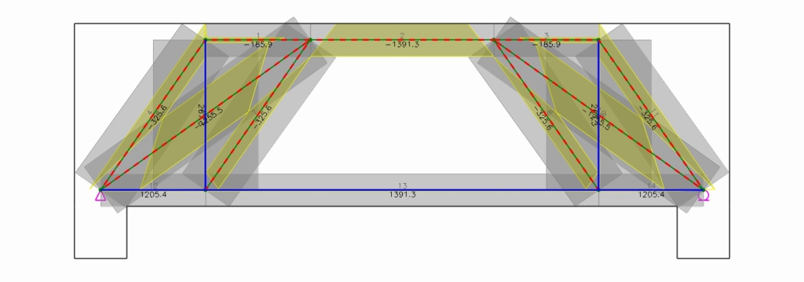

 | 2) Required and Used Areas of Rebars
 |  | (1) Load Combination - 1

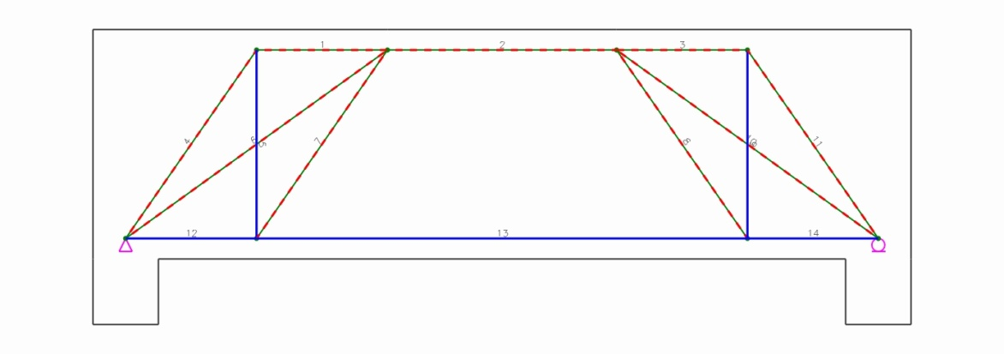

 |  |  | (A) Main Rebars
 |  |  | - Horizontal Rebars
 | Tie No. |  |  | Types | Fu (kN) | θ (deg.) | Rebars |  | As.req (mm²) |  | As.used (mm²) |  | Note
 | 12 |  |  | Bottom | 1205.4 | 0.0 | 8-#8 |  | 3348.0 |  | 4054.0 |  | O.K
 | 13 |  |  | Bottom | 1391.3 | 0.0 | 8-#8 |  | 3865.0 |  | 4054.0 |  | O.K

 |  |  | (B) Transverse Rebars
 |  |  | - Vertical Rebars
 | Tie No. |  |  | Fu (kN) | θ (deg.) | Rebars | weff,tie (mm) | sv (mm) |  | φFn (kN) |  | Note
 | 5 |  |  | 267.3 | 90.0 | 2-#4 | 800.0 | 200.0 |  | 364.8 |  | O.K

