LC01
2. Strut-Tie Model Design (Load Combination-1)
 | 1) Construction of Strut-Tie Model
 |  | (1) ESO (Evolutionary Structural Optimization)
 |  |  | ⒜ STAGE-01 (Initial shape)
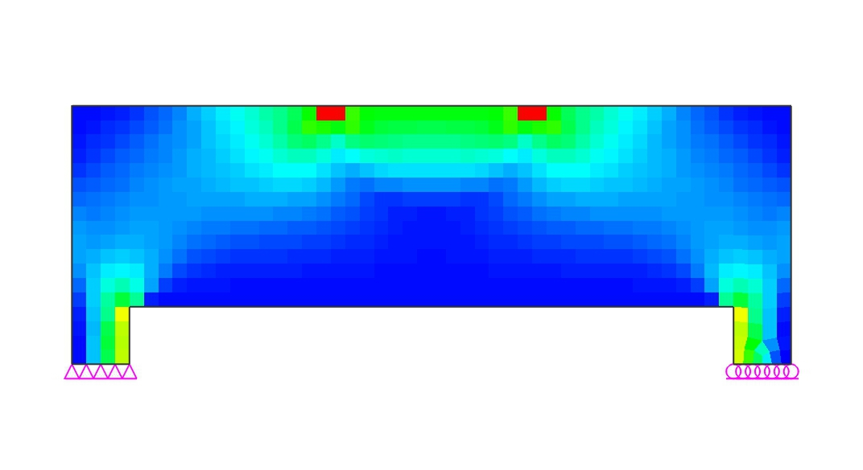

 |  |  | ⒝ STAGE-02 (Elimination ratio = 9%)
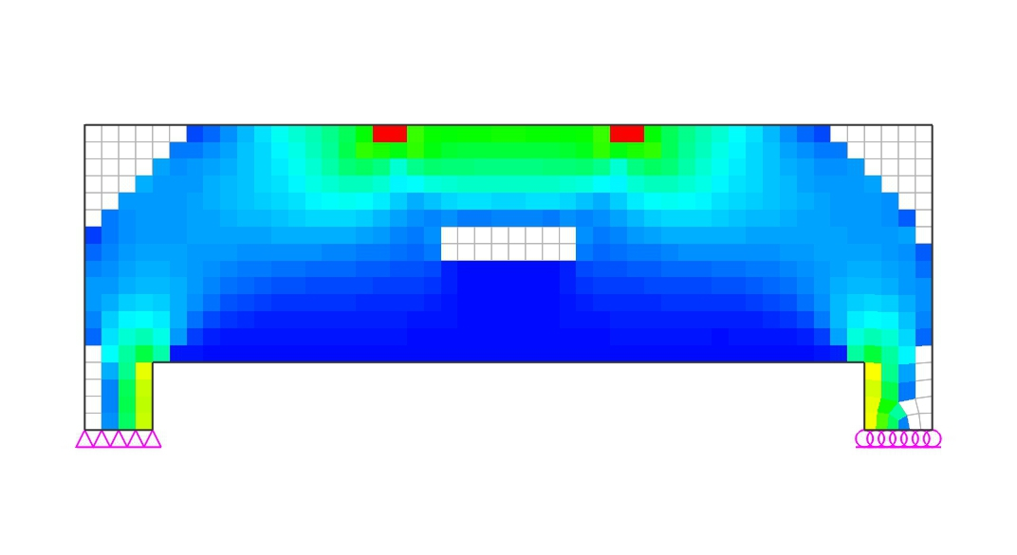

 |  |  | ⒞ STAGE-03 (Elimination ratio = 18%)
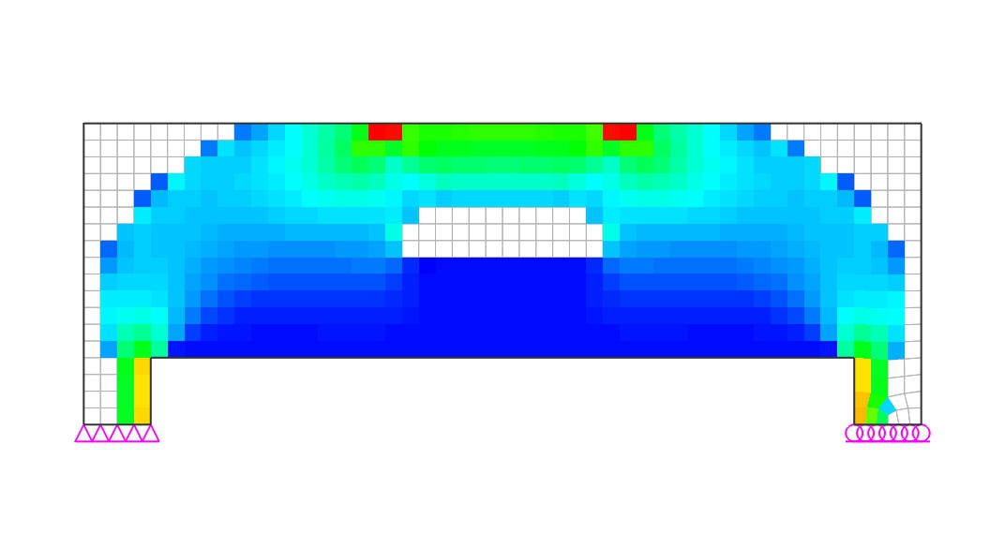

 |  |  | ⒟ STAGE-04 (Elimination ratio = 25%)
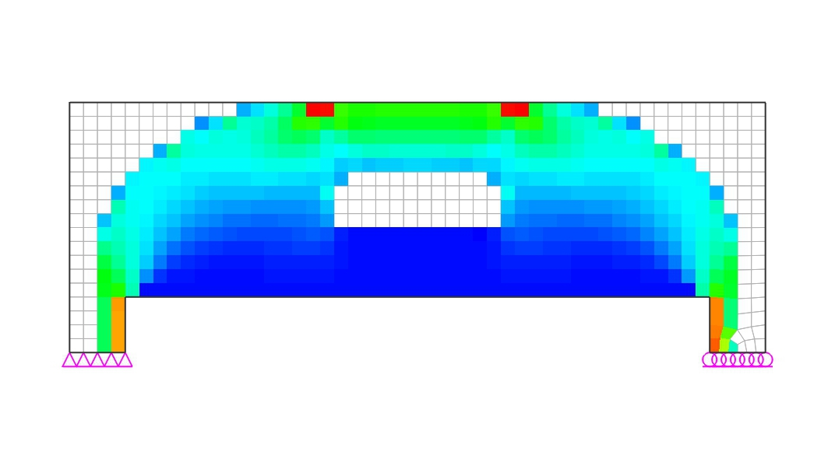

 |  |  | ⒠ STAGE-05 (Elimination ratio = 32%)
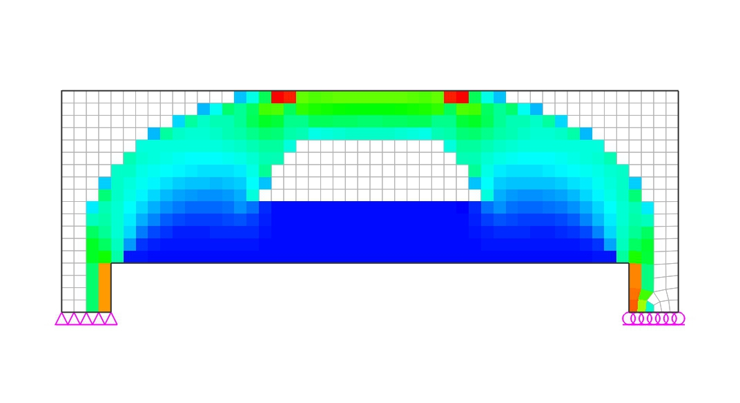

 |  |  | ⒡ STAGE-06 (Elimination ratio = 38%)
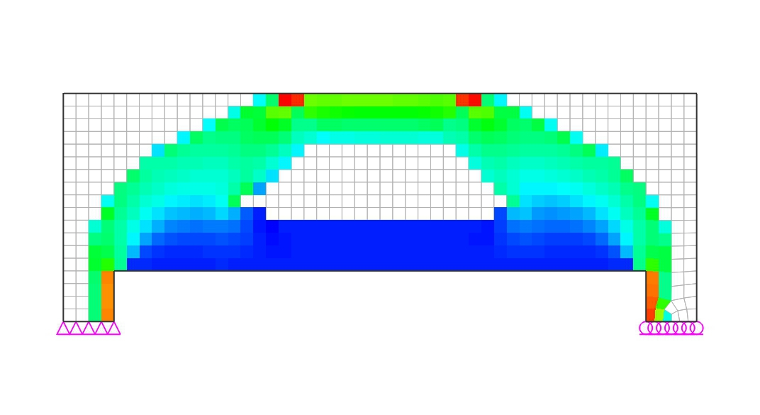

 |  |  | ⒢ STAGE-07 (Elimination ratio = 44%)
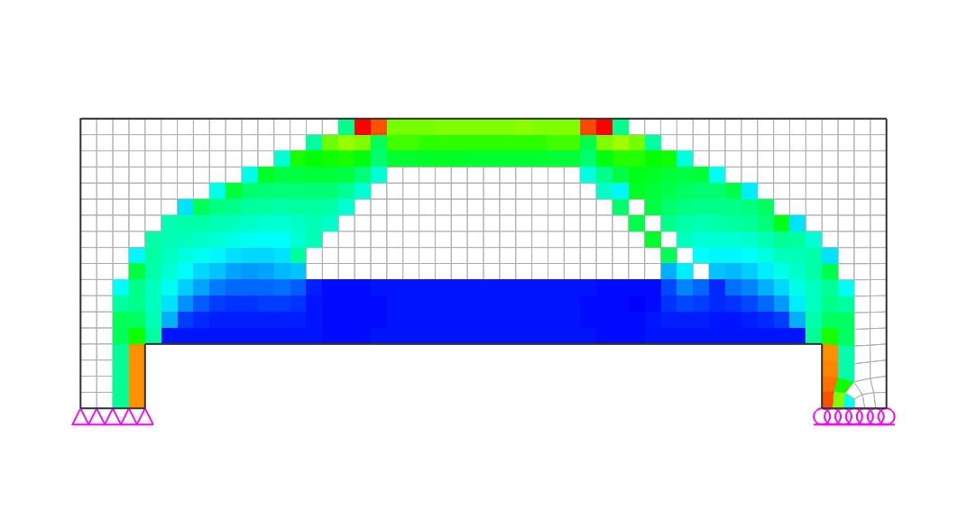

 |  |  | ⒣ STAGE-08 (Elimination ratio = 49%)
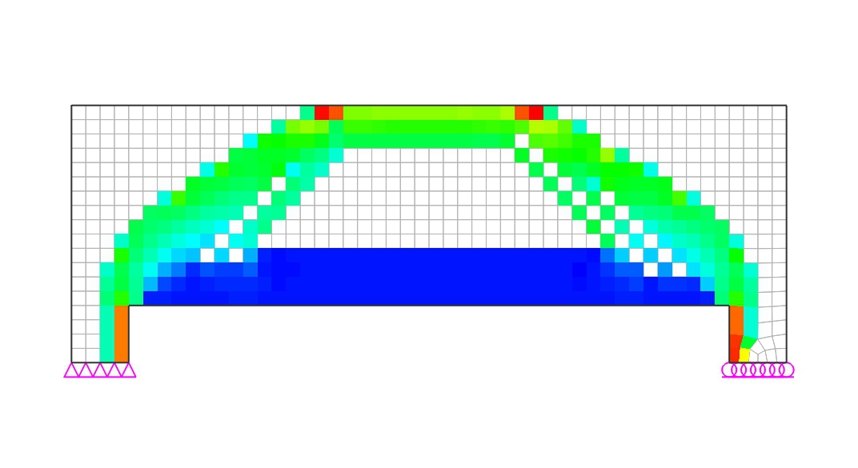

 |  |  | ⒤ STAGE-09 (Elimination ratio = 54%)
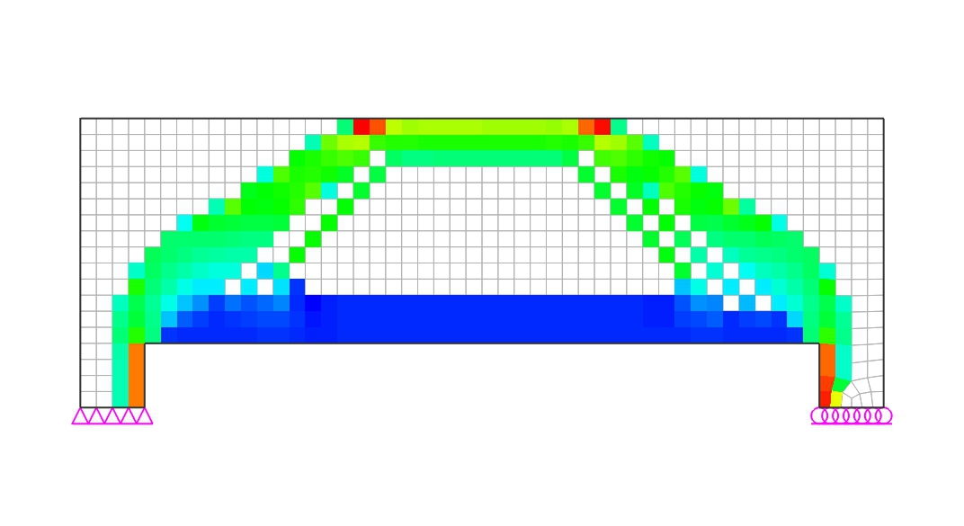

 |  |  | ⒥ STAGE-10 (Elimination ratio = 58%)
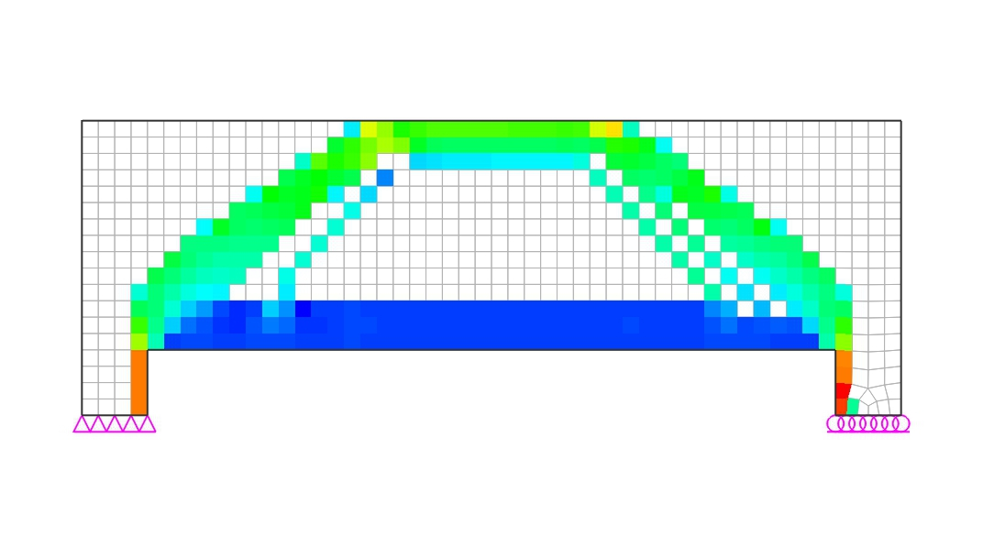

 |  |  | ⒦ STAGE-11 (Elimination ratio = 62%)
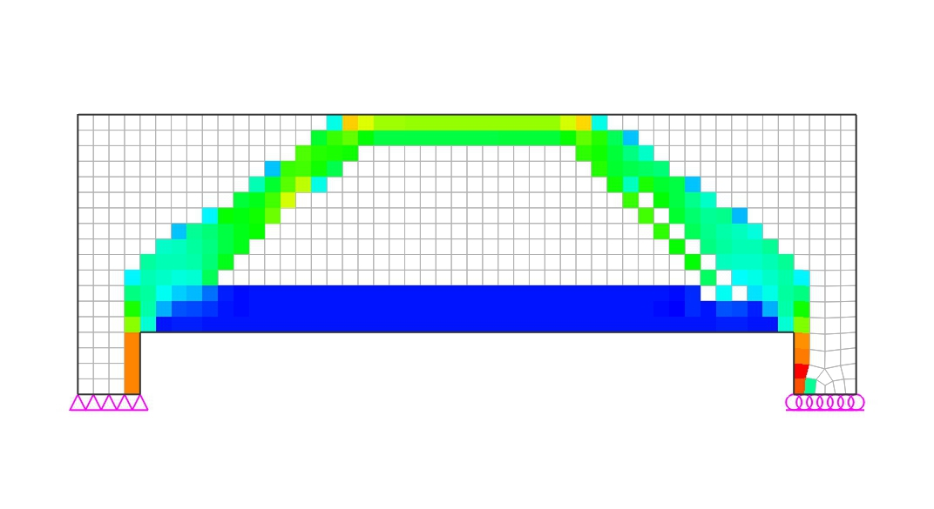

 |  |  | ⒧ STAGE-12 (Elimination ratio = 66%)
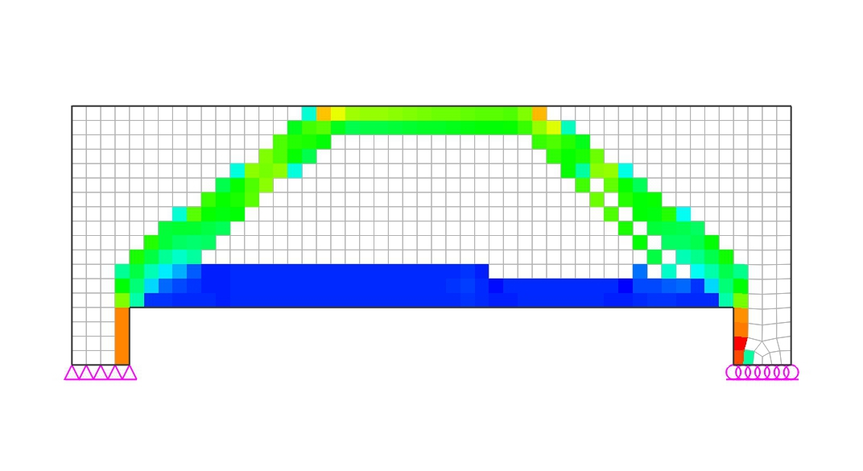

 |  |  | ⒨ STAGE-13 (Elimination ratio = 69%)
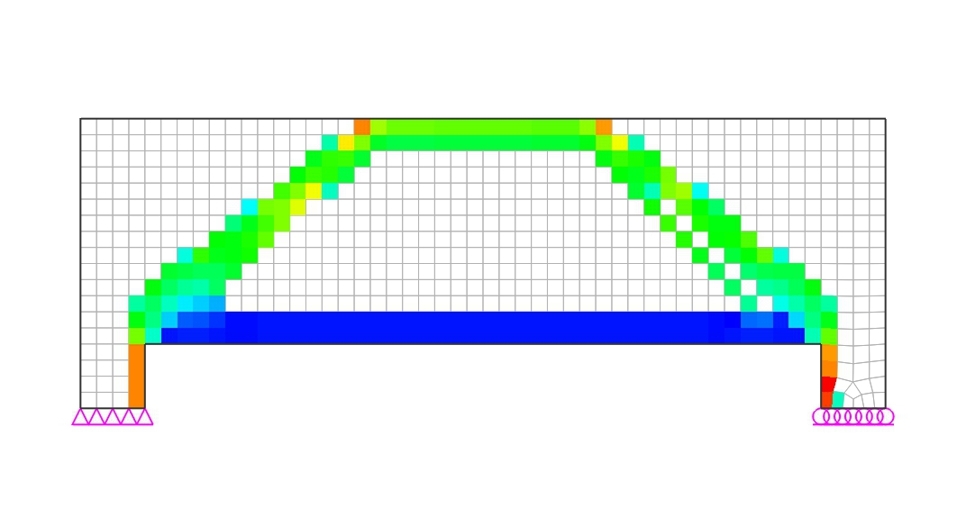

 |  |  | ⒩ STAGE-14 (Elimination ratio = 72%)
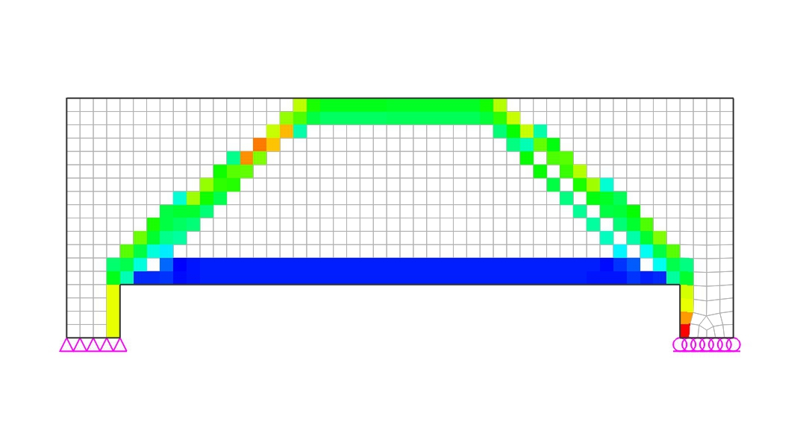

 |  |  | ⒪ STAGE-15 (Elimination ratio = 75%)
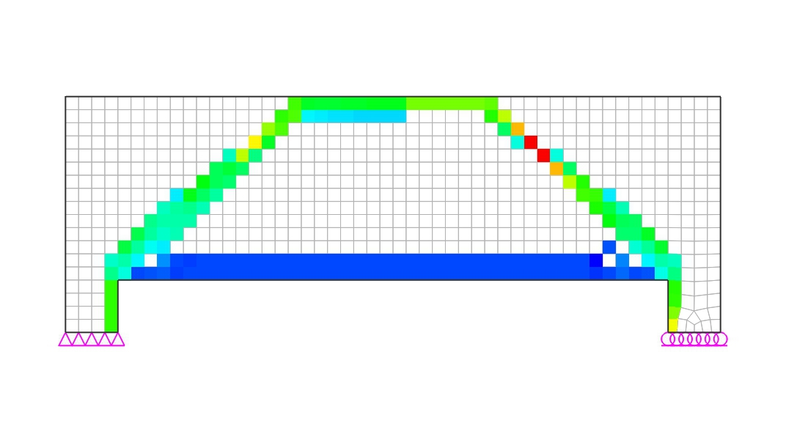

 |  | (2) Compressive Principal Stress Flow
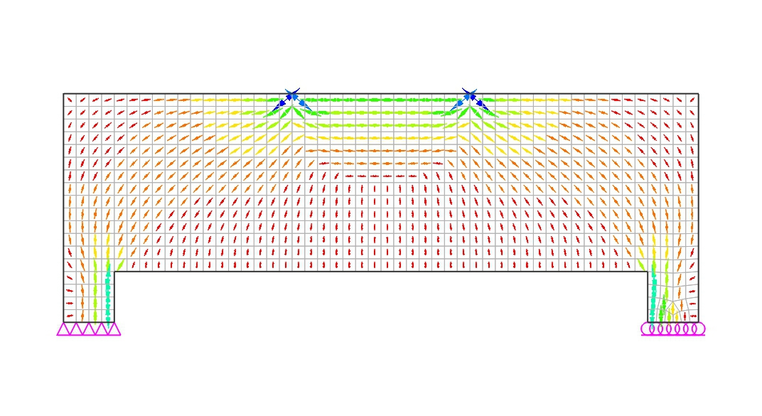

 |  | (3) Constructed Strut-Tie Model

 |  |  | (A) Nodal Coordinates
 |  |  | Node No. |  |  |  | X coordi. |  |  | Z coordi. |  |  | Node No. |  |  |  | X coordi. |  |  | Z coordi.

 |  |  | 1 |  |  |  | 1.000 |  |  | 1.680 |  |  | 2 |  |  |  | 1.800 |  |  | 1.680
 |  |  | 3 |  |  |  | 3.200 |  |  | 1.680 |  |  | 4 |  |  |  | 4.000 |  |  | 1.680
 |  |  | 5 |  |  |  | 0.200 |  |  | 0.520 |  |  | 6 |  |  |  | 1.000 |  |  | 0.520
 |  |  | 7 |  |  |  | 4.000 |  |  | 0.520 |  |  | 8 |  |  |  | 4.800 |  |  | 0.520

 |  |  | (B) Element Connectivity
 |  |  | Element No. |  |  |  | Start Node |  |  | End Node |  |  | Element No. |  |  |  | Start Node |  |  | End Node

 |  |  | 1 |  |  |  | 1 |  |  | 2 |  |  | 2 |  |  |  | 2 |  |  | 3
 |  |  | 3 |  |  |  | 4 |  |  | 3 |  |  | 4 |  |  |  | 5 |  |  | 1
 |  |  | 5 |  |  |  | 1 |  |  | 6 |  |  | 6 |  |  |  | 5 |  |  | 2
 |  |  | 7 |  |  |  | 2 |  |  | 6 |  |  | 8 |  |  |  | 3 |  |  | 7
 |  |  | 9 |  |  |  | 4 |  |  | 7 |  |  | 10 |  |  |  | 8 |  |  | 3
 |  |  | 11 |  |  |  | 8 |  |  | 4 |  |  | 12 |  |  |  | 6 |  |  | 5
 |  |  | 13 |  |  |  | 6 |  |  | 7 |  |  | 14 |  |  |  | 7 |  |  | 8

 |  |  | (C) Restraints
 |  |  | Node |  | Ux |  |  | Uy |  |  | Uz |  |  | Rx |  |  | Ry |  |  | Rz
 |  |  | 5 |  | O |  |  | O |  |  | O |  |  | O |  |  | - |  |  | O
 |  |  | 8 |  | - |  |  | - |  |  | O |  |  | - |  |  | - |  |  | -

 | 2) Analysis of Strut-Tie Model
 |  | (1) Loading Conditions
 |  |  | (A) D

 |  | (2) Strut and Tie Types

 |  | - Strut1 : Prismatic Strut
 |  | - Strut2 : Bottle Shape Strut (Satisfying ACI 318M-14 23.5.3)
 |  | - Strut5 : All Other Cases
 |  | - Tie1 : Tie for top rebars
 |  | - Tie2 : Tie for bottom rebars
 |  | - Tie3 : Tie for intermediate vertical/horizontal rebars
 |  | - Tie4 : Tie for intermediate vertical rebars

 |  | (3) Strut and Tie Forces

 | Elem. No. |  | Force (kN) |  |  |  | Elem. No. |  | Force (kN) |  |  |  | Elem. No. |  | Force (kN) |  |  |  | Elem. No. |  | Force (kN)

 | 1 |  | -228.3 |  |  |  | 2 |  | -1379.3 |  |  |  | 3 |  | -228.3 |  |  |  | 4 |  | -402.1
 | 5 |  | 331.0 |  |  |  | 6 |  | -1139.8 |  |  |  | 7 |  | -402.1 |  |  |  | 8 |  | -402.1
 | 9 |  | 331.0 |  |  |  | 10 |  | -1139.8 |  |  |  | 11 |  | -402.1 |  |  |  | 12 |  | 1151.0
 | 13 |  | 1379.3 |  |  |  | 14 |  | 1151.0 |  |  |  | - |  | - |  |  |  | - |  | -

 | 3) Strength Verification and Required Rebars
 |  | (1) Strength under Bearing/Loading Plates
 | φfce |  | = | φ·0.85·β·fck |  |  |  | ≥ | Fu/A

 |  | β | = | 1.00 |  | (for the nodal zone bounded by struts, bearing areas, or both)
 |  |  |  | 0.80 |  | (for the nodal zone anchoring one tie)
 |  |  |  | 0.60 |  | (for the nodal zone anchoring two or more ties)
 |  | A | = | Area of bearing plates (=BxW)
 | Node |  |  | β |  |  | fce (MPa) |  |  | Fu (kN) |  |  | B (mm) |  |  | W (mm) |  |  | Fu/A (MPa) |  |  | Note
 | 5 |  |  | 0.80 |  |  | 13.77 |  |  | 1000.0 |  |  | 350.0 |  |  | 400.0 |  |  | 7.143 |  |  | O.K
 | 8 |  |  | 0.80 |  |  | 13.77 |  |  | 1000.0 |  |  | 350.0 |  |  | 400.0 |  |  | 7.143 |  |  | O.K
 | 2 |  |  | 1.00 |  |  | 17.21 |  |  | 1000.0 |  |  | 350.0 |  |  | 400.0 |  |  | 7.143 |  |  | O.K
 | 3 |  |  | 1.00 |  |  | 17.21 |  |  | 1000.0 |  |  | 350.0 |  |  | 400.0 |  |  | 7.143 |  |  | O.K

 |  | (2) Required Area of Rebars
 |  | 1) Main Rebars
 |  |  | (A) Horizontal Rebars
 |  |  | As.req |  | = | Fu |  |  |  | ≤ | As.used
 |  |  |  |  |  | φ·fy·cos θ
 |  |  | where,
 |  |  |  | Fu = member force of steel tie
 |  |  |  | φ = strength reduction factor of steel tie : 0.75
 |  |  |  | fy = yield strength of steel : 400.0 MPa
 |  |  |  | θ = angle of steel tie measured from positive horizontal axis
 |  |  |  | (+: counterclockwise)

 | Tie No. |  |  | Types |  |  | Fu (kN) |  |  | θ (deg.) |  |  | Rebars |  |  |  | As.req (mm²) |  |  | As.used (mm²) |  |  | Note
 | 12 |  |  | Bottom |  |  | 1151.1 |  |  | 0.0 |  |  | 8-#9 |  |  |  | 3837.0 |  |  | 5158.0 |  |  | O.K
 | 13 |  |  | Bottom |  |  | 1379.3 |  |  | 0.0 |  |  | 8-#9 |  |  |  | 4598.0 |  |  | 5158.0 |  |  | O.K

 |  | 2) Transverse Rebars
 |  |  | (A) Vertical Rebars
 |  |  | φ·Fn |  | = | φ·Av·fy·weff,tie·sin θ |  |  |  |  |  |  | ≥ | Fu
 |  |  |  |  |  | sv
 |  |  | where,
 |  |  |  | Fu = member force of steel tie
 |  |  |  | φ = strength reduction factor of steel tie : 0.75
 |  |  |  | fy = yield strength of steel : 400.0 MPa
 |  |  |  | θ = angle of steel tie measured from positive horizontal axis
 |  |  |  | (+: counterclockwise)
 |  |  |  | sv = spacing of vertical rebars
 |  |  |  | weff,tie = effective width of tie

 | Tie No. |  |  | Fu (kN) |  |  | θ (deg.) |  |  | Rebars |  |  | weff,tie (mm) |  |  | sv (mm) |  |  | φFn (kN) |  |  | Note
 | 5 |  |  | 331.0 |  |  | 90.0 |  |  | 2-#4 |  |  | 800.0 |  |  | 150.0 |  |  | 405.4 |  |  | O.K

 |  | (3) Available Widths of Struts and Nodal Zones
 |  | 1) Node without bearing plate
 |  | The available widths of a strut at both ends and nodal zone faces are determined by
 |  | taking the minimum ones from the values calculated below for case 1 and case 2.

 |  | 2) Node with bearing plate
 |  | The available widths of a strut at both ends and nodal zone faces are determined by
 |  | taking the values calculated below for case 3.

 |  | -Case 1

 |  | -Case 2

 |  | -Case 3

 | The available widths of struts and ties determined by the methods introduced above are
 | shown below.

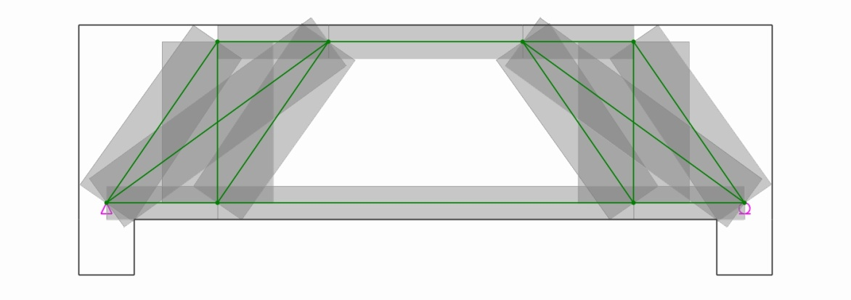

 | Elem. No. |  | i-width |  |  | j-width |  |  | Available Width |  |  |  | Elem. No. |  | i-width |  |  | j-width |  |  | Available Width

 | 1 |  | 240.0 |  |  | 240.0 |  |  | 240.0 |  |  |  | 2 |  | 240.0 |  |  | 240.0 |  |  | 240.0
 | 3 |  | 240.0 |  |  | 240.0 |  |  | 240.0 |  |  |  | 4 |  | 465.5 |  |  | 422.7 |  |  | 422.7
 | 6 |  | 429.1 |  |  | 429.1 |  |  | 429.1 |  |  |  | 7 |  | 465.5 |  |  | 422.7 |  |  | 422.7
 | 8 |  | 465.5 |  |  | 422.7 |  |  | 422.7 |  |  |  | 10 |  | 429.1 |  |  | 429.1 |  |  | 429.1
 | 11 |  | 465.5 |  |  | 422.7 |  |  | 422.7 |  |  |  | - |  | - |  |  | - |  |  | -

 |  | (4) Strength of Struts
 |  | wreq |  | = | Fu |  |  |  |  |  | ≤ | wprov |  | (See ACI 318M-14 Section 23.4)
 |  |  |  |  | φ·0.85·β·fck·b
 |  |  | β | = | 1.00 |  | (prismatic strut - uniform cross-sectional area along length)
 |  |  |  |  | 0.75 |  | (bottle-shaped strut satisfying ACI 318M-14 Section 23.5.3)
 |  |  |  |  | 0.60 |  | (bottle-shaped strut unsatisfying ACI 318M-14 Section 23.5.3)
 |  |  |  |  | 0.40 |  | (strut in tension zones)
 |  |  |  |  | 0.60 |  | (all other cases)
 |  |  | φ | = | strength reduction factor of concrete strut = 0.75

 | Strut No. |  |  | β |  |  | θ (deg.) |  |  | Fu (kN) |  |  | b (mm) |  |  | wreq (mm) |  |  | wprov (mm) |  |  | Note
 | 1 |  |  | 1.00 |  |  | 0.0 |  |  | 228.3 |  |  | 350.0 |  |  | 37.9 |  |  | 240.0 |  |  | O.K
 | 2 |  |  | 1.00 |  |  | 0.0 |  |  | 1379.3 |  |  | 350.0 |  |  | 229.0 |  |  | 240.0 |  |  | O.K
 | 3 |  |  | 1.00 |  |  | 0.0 |  |  | 228.3 |  |  | 350.0 |  |  | 37.9 |  |  | 240.0 |  |  | O.K
 | 4 |  |  | 0.75 |  |  | 55.4 |  |  | 402.1 |  |  | 350.0 |  |  | 89.0 |  |  | 422.7 |  |  | O.K
 | 6 |  |  | 0.75 |  |  | 35.9 |  |  | 1139.8 |  |  | 350.0 |  |  | 252.3 |  |  | 429.1 |  |  | O.K
 | 7 |  |  | 0.75 |  |  | 55.4 |  |  | 402.1 |  |  | 350.0 |  |  | 89.0 |  |  | 422.7 |  |  | O.K
 | 8 |  |  | 0.75 |  |  | 55.4 |  |  | 402.1 |  |  | 350.0 |  |  | 89.0 |  |  | 422.7 |  |  | O.K
 | 10 |  |  | 0.75 |  |  | 35.9 |  |  | 1139.8 |  |  | 350.0 |  |  | 252.3 |  |  | 429.1 |  |  | O.K
 | 11 |  |  | 0.75 |  |  | 55.4 |  |  | 402.1 |  |  | 350.0 |  |  | 89.0 |  |  | 422.7 |  |  | O.K

 |  | (5) Strength of Nodal Zones
 | The verification of the nodal zone strength should be done through comparing the
 | available nodal zone area with that required. In this report, if the thickness of
 | the structural concrete is consistent, the verification will be done by comparing the
 | available nodal zone width, wprov, with that required, wreq.
 | wreq |  | = | Fu |  |  |  |  |  | ≤ | wprov |  | (See ACI 318M-14 Section 23.9)
 |  |  |  | φ·0.85·β·fck·b
 |  | β | = | 1.00 |  | (for the nodal zone bounded by struts, bearing areas, or both)
 |  |  |  | 0.80 |  | (for the nodal zone anchoring one tie)
 |  |  |  | 0.60 |  | (for the nodal zone anchoring two or more ties)

 | Node No. |  |  | β |  |  | Type |  |  | Element |  |  | Fu (kN) |  |  | wreq (mm) |  |  | wprov (mm) |  |  | Note
 | 1 |  |  | 0.80 |  |  | CCT |  |  | C-1 |  |  | 228.3 |  |  | 47.4 |  |  | 240.0 |  |  | O.K
 |  |  |  |  |  |  |  |  |  | C-4 |  |  | 402.1 |  |  | 83.4 |  |  | 422.7 |  |  | O.K
 |  |  |  |  |  |  |  |  |  | T-5 |  |  | 331.0 |  |  | 68.7 |  |  | 800.0 |  |  | O.K
 | 2 |  |  | 1.00 |  |  | CCC |  |  | V |  |  | 1000.0 |  |  | 166.0 |  |  | 400.0 |  |  | O.K
 |  |  |  |  |  |  |  |  |  | C-1 |  |  | 228.3 |  |  | 37.9 |  |  | 240.0 |  |  | O.K
 |  |  |  |  |  |  |  |  |  | C-2 |  |  | 1379.3 |  |  | 229.0 |  |  | 240.0 |  |  | O.K
 |  |  |  |  |  |  |  |  |  | C-6 |  |  | 1139.8 |  |  | 189.2 |  |  | 429.1 |  |  | O.K
 |  |  |  |  |  |  |  |  |  | C-7 |  |  | 402.1 |  |  | 66.7 |  |  | 465.5 |  |  | O.K
 | 3 |  |  | 1.00 |  |  | CCC |  |  | V |  |  | 1000.0 |  |  | 166.0 |  |  | 400.0 |  |  | O.K
 |  |  |  |  |  |  |  |  |  | C-2 |  |  | 1379.3 |  |  | 229.0 |  |  | 240.0 |  |  | O.K
 |  |  |  |  |  |  |  |  |  | C-3 |  |  | 228.3 |  |  | 37.9 |  |  | 240.0 |  |  | O.K
 |  |  |  |  |  |  |  |  |  | C-8 |  |  | 402.1 |  |  | 66.7 |  |  | 465.5 |  |  | O.K
 |  |  |  |  |  |  |  |  |  | C-10 |  |  | 1139.8 |  |  | 189.2 |  |  | 429.1 |  |  | O.K
 | 4 |  |  | 0.80 |  |  | CCT |  |  | C-3 |  |  | 228.3 |  |  | 47.4 |  |  | 240.0 |  |  | O.K
 |  |  |  |  |  |  |  |  |  | T-9 |  |  | 331.0 |  |  | 68.7 |  |  | 800.0 |  |  | O.K
 |  |  |  |  |  |  |  |  |  | C-11 |  |  | 402.1 |  |  | 83.4 |  |  | 422.7 |  |  | O.K
 | 5 |  |  | 0.80 |  |  | CCT |  |  | R |  |  | 1000.0 |  |  | 207.5 |  |  | 400.0 |  |  | O.K
 |  |  |  |  |  |  |  |  |  | C-4 |  |  | 402.1 |  |  | 83.4 |  |  | 465.5 |  |  | O.K
 |  |  |  |  |  |  |  |  |  | C-6 |  |  | 1139.8 |  |  | 236.5 |  |  | 429.1 |  |  | O.K
 |  |  |  |  |  |  |  |  |  | T-12 |  |  | 1151.0 |  |  | 238.8 |  |  | 240.0 |  |  | O.K
 | 6 |  |  | 0.60 |  |  | CTT |  |  | T-5 |  |  | 331.0 |  |  | 91.6 |  |  | 800.0 |  |  | O.K
 |  |  |  |  |  |  |  |  |  | C-7 |  |  | 402.1 |  |  | 111.2 |  |  | 422.7 |  |  | O.K
 |  |  |  |  |  |  |  |  |  | T-12 |  |  | - |  |  | - |  |  | - |  |  | -
 |  |  |  |  |  |  |  |  |  | T-13 |  |  | 228.3 |  |  | 63.1 |  |  | 240.0 |  |  | O.K
 | 7 |  |  | 0.60 |  |  | CTT |  |  | C-8 |  |  | 402.1 |  |  | 111.2 |  |  | 422.7 |  |  | O.K
 |  |  |  |  |  |  |  |  |  | T-9 |  |  | 331.0 |  |  | 91.6 |  |  | 800.0 |  |  | O.K
 |  |  |  |  |  |  |  |  |  | T-13 |  |  | 228.3 |  |  | 63.1 |  |  | 240.0 |  |  | O.K
 |  |  |  |  |  |  |  |  |  | T-14 |  |  | - |  |  | - |  |  | - |  |  | -
 | 8 |  |  | 0.80 |  |  | CCT |  |  | R |  |  | 1000.0 |  |  | 207.5 |  |  | 400.0 |  |  | O.K
 |  |  |  |  |  |  |  |  |  | C-10 |  |  | 1139.8 |  |  | 236.5 |  |  | 429.1 |  |  | O.K
 |  |  |  |  |  |  |  |  |  | C-11 |  |  | 402.1 |  |  | 83.4 |  |  | 465.5 |  |  | O.K
 |  |  |  |  |  |  |  |  |  | T-14 |  |  | 1151.0 |  |  | 238.8 |  |  | 240.0 |  |  | O.K
 | C: compression; T: tension; V: vertical force; H: horizontal force

 | 4) Minimum Rebars
 |  | (1) Minimum Rebars for Crack Control
 | According to Section 23.5 of ACI 318M-14, in order to take advantage of the higher
 | efficiency factor at the strut-to-node interface, the axis of the strut shall be crossed
 | by sufficient crack control reinforcement. Crack control reinforcement is proportioned
 | to resist the transverse tensile force resulting from the spreading of the compressive
 | force in the strut. According to Section 23.5.3, the requirements of Section 23.5 can
 | be satisfied as follows:

 |  | As1 |  | sin α |  | + | As2 |  | sin (90-α) |  |  | ≥ | 0.003
 |  | bs1 |  |  |  |  | bs2
 | Elem. No. |  |  | As1 (mm²) |  |  | s1 (mm) |  |  | α (deg.) |  |  | As2 (mm²) |  |  | s2 (mm) |  |  | Sum. |  |  | Note
 | 4 |  |  | 253.4 |  |  | 150.0 |  |  | 34.6 |  |  | 253.4 |  |  | 200.0 |  |  | 0.0057 |  |  | O.K
 | 6 |  |  | 253.4 |  |  | 150.0 |  |  | 54.1 |  |  | 253.4 |  |  | 200.0 |  |  | 0.0060 |  |  | O.K
 | 7 |  |  | 253.4 |  |  | 150.0 |  |  | 34.6 |  |  | 253.4 |  |  | 200.0 |  |  | 0.0057 |  |  | O.K
 | 8 |  |  | 253.4 |  |  | 150.0 |  |  | 34.6 |  |  | 253.4 |  |  | 200.0 |  |  | 0.0057 |  |  | O.K
 | 10 |  |  | 253.4 |  |  | 150.0 |  |  | 54.1 |  |  | 253.4 |  |  | 200.0 |  |  | 0.0060 |  |  | O.K
 | 11 |  |  | 253.4 |  |  | 150.0 |  |  | 34.6 |  |  | 253.4 |  |  | 200.0 |  |  | 0.0057 |  |  | O.K

Summary
3. Summary
 | 1) Dimensioned Shape
 |  | (1) Load Combination - 1

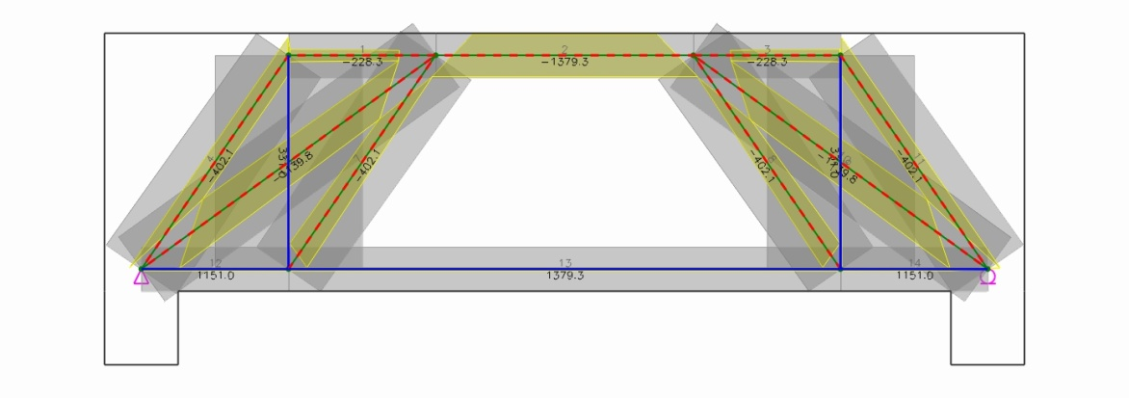

 | 2) Required and Used Areas of Rebars
 |  | (1) Load Combination - 1

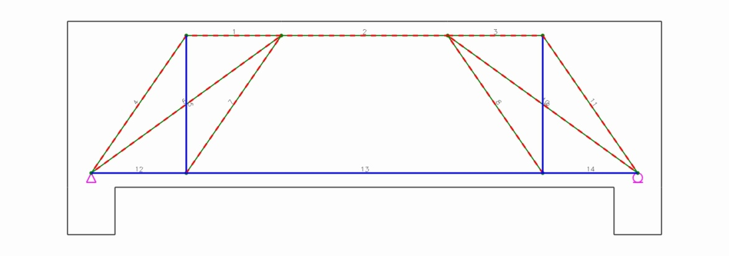

 |  |  | (A) Main Rebars
 |  |  | - Horizontal Rebars
 | Tie No. |  |  | Types | Fu (kN) | θ (deg.) | Rebars |  | As.req (mm²) |  | As.used (mm²) |  | Note
 | 12 |  |  | Bottom | 1151.1 | 0.0 | 8-#9 |  | 3837.0 |  | 5158.0 |  | O.K
 | 13 |  |  | Bottom | 1379.3 | 0.0 | 8-#9 |  | 4598.0 |  | 5158.0 |  | O.K

 |  |  | (B) Transverse Rebars
 |  |  | - Vertical Rebars
 | Tie No. |  |  | Fu (kN) | θ (deg.) | Rebars | weff,tie (mm) | sv (mm) |  | φFn (kN) |  | Note
 | 5 |  |  | 331.0 | 90.0 | 2-#4 | 800.0 | 150.0 |  | 405.4 |  | O.K

